Signal Generator
Signal Generator
With the shift and gain you want!

Shift | 2.5 | V
Gain | 1
Vin,max | 1
delta | 0.1 | time offset for amp response

t | Vin | Vout
0 | 0 | 2.5998334166
0.1 | 0.099833416647 | 2.6986693308
0.2 | 0.1986693308 | 2.7955202067
1.2 | 0.93203908597 | 3.4635581854
2.2 | 0.80849640382 | 3.2457052122
3.2 | -0.058374143428 | 2.3422543059
4.2 | -0.87157577241 | 1.5838340633
5.2 | -0.88345465572 | 1.6677325578
6.2 | -0.083089402817 | 2.5168139005
7.2 | 0.79366786385 | 3.3504366206
8.2 | 0.94073055668 | 3.4021718338
9.2 | 0.2228899141 | 2.6244544235
10.2 | -0.69987468759 | 1.7323141902
11.2 | -0.97917772915 | 1.5459807501
12.2 | -0.35822928224 | 2.2367682086
13.2 | 0.59207351471 | 3.1695697622
14.2 | 0.99802665272 | 3.4867719643 | -9.0308998699
15.2 | 0.48639868885 | 2.8967405731
16.2 | -0.4724219864 | 1.9419477287
17.2 | -0.99690006604 | 1.5002255689
18.2 | -0.60483282241 | 1.9776914104
19.2 | 0.34331492882 | 2.9353653604
20.2 | 0.97582051777 | 3.4927664058
21.2 | 0.71116122291 | 3.1374225962
22.2 | -0.20733642061 | 2.1960353912
23.2 | -0.93520991519 | 1.5341118458

Comparator
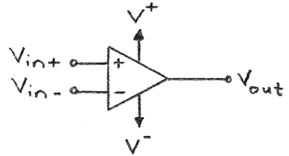
Comparator
A comparator swings to its limits of Vout. |  |  |  | Op-Amp Characteristics
Vin(-) | 1 | V (voltage on inverting input) |  | V+ | 5 | V (positive rail power)
Vin,max | 1 | V (maximum voltage of sin curve) |  | V- | 0 | V (negative rail power)
 |  |  |  | Headroom | 1.3 | V (=0V for rail-to-rail)

Comparator
If V_{in(+)} > V_{in(-)} → V_{out} = V⁺
If V_{in(+)} < V_{in(-)} → V_{out} = V⁻
 |  |  |  | Single Test Values:
 |  |  |  | Vin(+): | 2.53 | V
 |  |  |  | Vin(-): | 2.82 | V
t | Vin(+) | Vout | Vin(-) | Vout: | 1.3 | V
0 | 1 | 1.3 | 1
 | Vin(+) | Vin(-) | Vout
0 | 1 | 1 | 1.3
0.5 | 1.4794255386 | 1 | 3.7
1 | 1.8414709848 | 1 | 3.7
1.5 | 1.9974949866 | 1 | 3.7
2 | 1.9092974268 | 1 | 3.7
2.5 | 1.5984721441 | 1 | 3.7
3 | 1.1411200081 | 1 | 3.7
3.5 | 0.64921677231 | 1 | 1.3
4 | 0.24319750469 | 1 | 1.3
4.5 | 0.022469882335 | 1 | 1.3
5 | 0.041075725337 | 1 | 1.3
5.5 | 0.29445967443 | 1 | 1.3
6 | 0.7205845018 | 1 | 1.3
6.5 | 1.2151199881 | 1 | 3.7
7 | 1.6569865987 | 1 | 3.7
7.5 | 1.9379999768 | 1 | 3.7
8 | 1.9893582466 | 1 | 3.7
8.5 | 1.7984871126 | 1 | 3.7
9 | 1.4121184852 | 1 | 3.7
9.5 | 0.92484887954 | 1 | 1.3
10 | 0.45597888911 | 1 | 1.3
10.5 | 0.12030424003 | 1 | 1.3
11 | 9.7934492965E-06 | 1 | 1.3
11.5 | 0.12454782531 | 1 | 1.3
12 | 0.463427082 | 1 | 1.3
12.5 | 0.93367810265 | 1 | 1.3
13 | 1.4201670368 | 1 | 3.7
13.5 | 1.8037844266 | 1 | 3.7
14 | 1.9906073557 | 1 | 3.7
14.5 | 1.9348950555 | 1 | 3.7
15 | 1.6502878402 | 1 | 3.7
15.5 | 1.2064674819 | 1 | 3.7
16 | 0.71209668333 | 1 | 1.3
16.5 | 0.28821465763 | 1 | 1.3
17 | 0.03860250812 | 1 | 1.3
17.5 | 0.024373994532 | 1 | 1.3
18 | 0.24901275323 | 1 | 1.3
18.5 | 0.65751938153 | 1 | 1.3
0.5 | 1.4794255386 | 3.7 | 1
1 | 1.8414709848 | 3.7 | 1
1.5 | 1.9974949866 | 3.7 | 1
2 | 1.9092974268 | 3.7 | 1
2.5 | 1.5984721441 | 3.7 | 1
3 | 1.1411200081 | 3.7 | 1
3.5 | 0.64921677231 | 1.3 | 1
4 | 0.24319750469 | 1.3 | 1
4.5 | 0.022469882335 | 1.3 | 1
5 | 0.041075725337 | 1.3 | 1
5.5 | 0.29445967443 | 1.3 | 1
6 | 0.7205845018 | 1.3 | 1
6.5 | 1.2151199881 | 3.7 | 1
7 | 1.6569865987 | 3.7 | 1
7.5 | 1.9379999768 | 3.7 | 1
8 | 1.9893582466 | 3.7 | 1
8.5 | 1.7984871126 | 3.7 | 1
9 | 1.4121184852 | 3.7 | 1 | Single Test Values: Amp Configuration Summary:
9.5 | 0.92484887954 | 1.3 | 1 | V+: | 5 | V | V+: +5 V
10 | 0.45597888911 | 1.3 | 1 | V-: | 0 | V | V-: 0 V
10.5 | 0.12030424003 | 1.3 | 1 | Vin(+): | 2.53 | V | Vin(+): +2.53 V
11 | 9.7934492965E-06 | 1.3 | 1 | Vin(-): | 2.82 | V | Vin(-): +2.82 V
11.5 | 0.12454782531 | 1.3 | 1
12 | 0.463427082 | 1.3 | 1
12.5 | 0.93367810265 | 1.3 | 1
13 | 1.4201670368 | 3.7 | 1
13.5 | 1.8037844266 | 3.7 | 1
14 | 1.9906073557 | 3.7 | 1
14.5 | 1.9348950555 | 3.7 | 1
15 | 1.6502878402 | 3.7 | 1
15.5 | 1.2064674819 | 3.7 | 1
16 | 0.71209668333 | 1.3 | 1
16.5 | 0.28821465763 | 1.3 | 1
17 | 0.03860250812 | 1.3 | 1
17.5 | 0.024373994532 | 1.3 | 1
18 | 0.24901275323 | 1.3 | 1
18.5 | 0.65751938153 | 1.3 | 1

Buffer
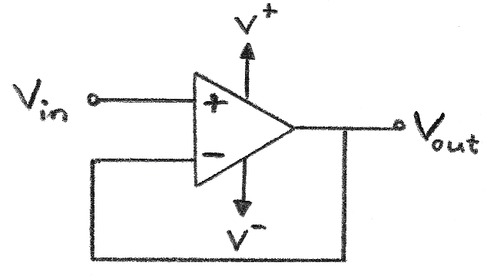
Buffer
A buffer has a gain of 1 and a shift of 0V. |  |  |  | Op-Amp Characteristics
Shift | 0 | V |  | V+ | 12 | V (positive rail power)
Gain | 1 | X |  | V- | 0 | V (negative rail power)
Vin,max | 6 | (max V of signal) |  | delta | -0.1 | Time offset for amp response
 |  |  |  | Headroom | 1.3 | V (=0V for rail-to-rail)

Buffer
V_{out} = V_{in(+)}
(gain = 1, or 0 dB)
 |  |  | Headroom: | Single Test Value:
t | Vin(+) | Vout | Vout | Vin: | 0.2 | V
0 | 0 | -0.59900049988 | 1.3 | Vout: | 1.3 | V
0.1 | 0.59900049988 | 0 | 1.3
0.2 | 1.1920159848 | 0.59900049988 | 1.3
1.2 | 5.5922345158 | 5.3472441604 | 5.3472441604
2.2 | 4.8509784229 | 5.1792561999 | 5.1792561999
3.2 | -0.35024486057 | 0.2494839746 | 1.3
4.2 | -5.2294546345 | -4.9096626664 | 1.3
5.2 | -5.3007279343 | -5.554888094 | 1.3
6.2 | -0.4985364169 | -1.0929750256 | 1.3
7.2 | 4.7620071831 | 4.3738142408 | 4.3738142408
8.2 | 5.6443833401 | 5.8193388651 | 5.8193388651
9.2 | 1.3373394846 | 1.9145901741 | 1.9145901741
10.2 | -4.1992481256 | -3.7504238934 | 1.3
11.2 | -5.8750663749 | -5.9673155292 | 1.3
12.2 | -2.1493756934 | -2.6978847872 | 1.3
13.2 | 3.5524410882 | 3.0519687862 | 3.0519687862
14.2 | 5.9881599163 | 5.9958563325 | 5.9958563325
15.2 | 2.9183921331 | 3.427181218 | 3.427181218
16.2 | -2.8345319184 | -2.2924285031 | 1.3
17.2 | -5.9814003962 | -5.9043900305 | 1.3 | Single Test Values: Amp Configuration Summary:
18.2 | -3.6289969344 | -4.0878825933 | 1.3 | V+: | 12 | V | V+: +12 V
19.2 | 2.0598895729 | 1.4870052479 | 1.4870052479 | V-: | 0 | V | V-: 0 V
20.2 | 5.8549231066 | 5.6947473219 | 5.6947473219 | Vin: | 0.2 | V | Vin: +0.2 V
21.2 | 4.2669673374 | 4.6667649708 | 4.6667649708
22.2 | -1.2440185236 | -0.65181957254 | 1.3
23.2 | -5.6112594912 | -5.3711242069 | 1.3

Attenuator
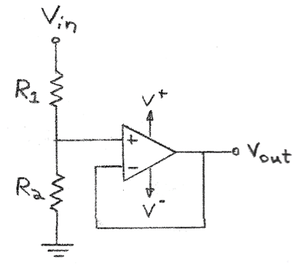
Attenuator + Buffer
R1 | 5 | K |  | Op-Amp Characteristics
R2 | 1 | K |  | V+ | 5 | V (positive rail power)
Shift | 0 | V |  | V- | 0 | V (negative rail power)
Gain | 0.16666666667 | X |  | Headroom | 1.3 | V (=0V for rail-to-rail)
Vin,max | 12 | (max V of signal)

 |  |  | Headroom: | Single Test Value:
t | Vin(+) | Vout | Vout | Vin: | 20 | V
0 | 0 | 0 | 1.3 | Vout: | 3.3333333333 | V
0.1 | 1.1980009998 | 0.19966683329 | 1.3
0.2 | 2.3840319695 | 0.39733866159 | 1.3
Attenuator:
$A_{v}$= $\left(\frac{R_{2}}{R_{1}+R_{2}}\right)$
$$V_{out}={\left(\frac{R_{2}}{R_{1}+R_{2}}\right)V}_{in}$$
$$→R_{2}=\frac{R_{1}}{\left(\frac{V_{in}}{V_{out}}\right)−1}$$
1.2 | 11.184469032 | 1.8640781719 | 1.8640781719
2.2 | 9.7019568458 | 1.6169928076 | 1.6169928076
3.2 | -0.70048972113 | -0.11674828686 | 1.3
4.2 | -10.458909269 | -1.7431515448 | 1.3
5.2 | -10.601455869 | -1.7669093114 | 1.3
6.2 | -0.99707283381 | -0.16617880563 | 1.3
7.2 | 9.5240143662 | 1.5873357277 | 1.5873357277
8.2 | 11.28876668 | 1.8814611134 | 1.8814611134
9.2 | 2.6746789692 | 0.4457798282 | 1.3
10.2 | -8.3984962511 | -1.3997493752 | 1.3
11.2 | -11.75013275 | -1.9583554583 | 1.3
12.2 | -4.2987513868 | -0.71645856447 | 1.3
13.2 | 7.1048821765 | 1.1841470294 | 1.3
14.2 | 11.976319833 | 1.9960533054 | 1.9960533054
15.2 | 5.8367842662 | 0.97279737771 | 1.3
16.2 | -5.6690638368 | -0.9448439728 | 1.3
17.2 | -11.962800792 | -1.9938001321 | 1.3 | Single Test Values: Amp Configuration Summary:
18.2 | -7.2579938689 | -1.2096656448 | 1.3 | V+: | 5 | V | V+: +5 V
19.2 | 4.1197791458 | 0.68662985764 | 1.3 | V-: | 0 | V | V-: 0 V
20.2 | 11.709846213 | 1.9516410355 | 1.9516410355 | Vin: | 20 | V | Vin: +20 V
21.2 | 8.5339346749 | 1.4223224458 | 1.4223224458 | R1: | 5 | K | R1: 5 K
22.2 | -2.4880370473 | -0.41467284121 | 1.3 | R2: | 1 | K | R2: 1 K
23.2 | -11.222518982 | -1.8704198304 | 1.3

Unity LPF
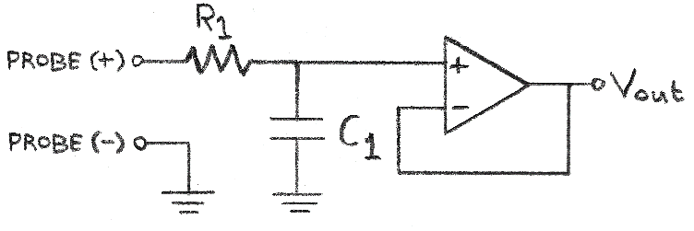
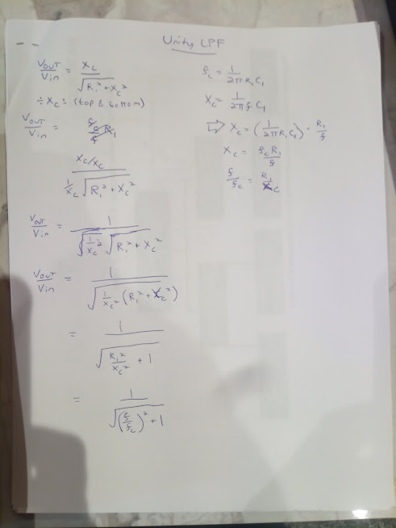
Unity Gain - Low Pass Filter
An unity gain amplifier has gain=1, and a shift of 0V. |  |  |  |  | Op-Amp Characteristics
R1 | 1 | K |  |  | V+ | 5 | V (positive rail power)
C1 | 0.1 | uF |  |  | V- | -5 | V (negative rail power)
Xc | 100 | Ohm |  |  | Headroom | 1.2 | V (=0V for rail-to-rail)
Shift | 0 | V
Gain | 1 | X |  |  | Single Test Value:
1st Order Unity-Gain Low-Pass Filter Equations
Cutoff Frequency: $f_{c}=\frac{1}{2πR_{1}C_{1}}$
Transfer Function: $V_{out}=$ $\frac{V_{in}}{\sqrt{1+{\left(\frac{f}{f_{c}}\right)}^{2}}}$
Pass-Region Gain: ${ A}_{v}≈1; V_{in}≈V_{out}$
Stop-Region Gain: $A_{v}=\frac{V_{out}}{V_{in}}=$ $\frac{1}{\sqrt{1+{\left(\frac{f}{f_{c}}\right)}^{2}}}→{Gain}_{dB}=20×log\frac{1}{\sqrt{1+{\left(\frac{f}{f_{c}}\right)}^{2}}}$
Transfer Function In Terms of Capacitive Reactance:
The capacitive reactance, X_{c}, of a capacitor C₁, with a signal of a given frequency f, is:
$X_{c}=\frac{1}{2π{fC}_{1}}$; $V_{out}=$ $V_{in}\frac{X_{c}}{\sqrt{{R_{1}}^{2}+{X_{c}}^{2}}}$
 |  |  |  |  | Vin: | 1 | V
Vin,max | 1 | (max V of signal) |  |  | Vout: | 0.099503719021 | V
f,signal | 15915.494309 | Hz
period,sig | 6.2831853072E-05 | sec |  |  | Time Constant:
fc | 1591.5494309 | Hz |  |  | t: | 0.1 | msec
# Periods | 4 | (to display)
dt | 1.0053096491E-05 | sec
 |  |  | Headroom:
t (sec) | Vin(+) | Vout | Vout | Using Xc
0 | 0 | 0 | 0 | 0
1.0053096491E-05 | 0.8443279255 | 0.084013768661 | 0.084013768661 | 0.084013768661
2.0106192983E-05 | 0.90482705247 | 0.090033656791 | 0.090033656791 | 0.090033656791
3.0159289474E-05 | 0.12533323356 | 0.012471122857 | 0.012471122857 | 0.012471122857
4.0212385966E-05 | -0.77051324278 | -0.076668933211 | -0.076668933211 | -0.076668933211
5.0265482457E-05 | -0.9510565163 | -0.094633660371 | -0.094633660371 | -0.094633660371
6.0318578949E-05 | -0.24868988716 | -0.024745568656 | -0.024745568656 | -0.024745568656
7.037167544E-05 | 0.68454710593 | 0.068114982885 | 0.068114982885 | 0.068114982885
8.0424771932E-05 | 0.98228725073 | 0.097741234594 | 0.097741234594 | 0.097741234594
9.0477868423E-05 | 0.36812455268 | 0.036629762055 | 0.036629762055 | 0.036629762055
0.00010053096491 | -0.58778525229 | -0.058486818589 | -0.058486818589 | -0.058486818589
0.00011058406141 | -0.99802672843 | -0.099307371161 | -0.099307371161 | -0.099307371161
0.0001206371579 | -0.4817536741 | -0.047936282225 | -0.047936282225 | -0.047936282225
0.00013069025439 | 0.4817536741 | 0.047936282225 | 0.047936282225 | 0.047936282225
0.00014074335088 | 0.99802672843 | 0.099307371161 | 0.099307371161 | 0.099307371161
0.00015079644737 | 0.58778525229 | 0.058486818589 | 0.058486818589 | 0.058486818589
0.00016084954386 | -0.36812455268 | -0.036629762055 | -0.036629762055 | -0.036629762055
0.00017090264036 | -0.98228725073 | -0.097741234594 | -0.097741234594 | -0.097741234594
0.00018095573685 | -0.68454710593 | -0.068114982885 | -0.068114982885 | -0.068114982885
0.00019100883334 | 0.24868988716 | 0.024745568656 | 0.024745568656 | 0.024745568656 | Single Test Values: Amp Configuration Summary:
0.00020106192983 | 0.9510565163 | 0.094633660371 | 0.094633660371 | 0.094633660371 | V+: | 5 | V | V+: +5 V
0.00021111502632 | 0.77051324278 | 0.076668933211 | 0.076668933211 | 0.076668933211 | V-: | -5 | V | V-: -5 V
0.00022116812281 | -0.12533323356 | -0.012471122857 | -0.012471122857 | -0.012471122857 | Vin: | 1 | V | Vin: +1 V
0.0002312212193 | -0.90482705247 | -0.090033656791 | -0.090033656791 | -0.090033656791 | R1: | 1 | K | R1: 1 K
0.0002412743158 | -0.8443279255 | -0.084013768661 | -0.084013768661 | -0.084013768661 | C1: | 0.1 | uF | C1: 0.1 uF
0.00025132741229 | 6.1253085937E-15 | 6.0949098522E-16 | 6.0949098522E-16 | 6.0949098522E-16 | f,signal: | 15915 | Hz | f,signal: 15915 Hz

Unity Gain LPF Bode Plot
Bode Plot:
 | Theoretical (headroom not considered)
Frequency (Hz) | Xc | Gain,dB | Gain,dB (Xc)
1 | 1591549.4309 | -1.7145255529E-06 | -1.7145255529E-06
2 | 795774.71546 | -6.8580981524E-06 | -6.8580981534E-06
3 | 530516.47697 | -1.5430705615E-05 | -1.5430705615E-05
4 | 397887.35773 | -2.7432327633E-05 | -2.7432327633E-05
5 | 318309.88618 | -4.2862935779E-05 | -4.286293578E-05
6 | 265258.23849 | -6.1722493505E-05 | -6.1722493505E-05
7 | 227364.20442 | -8.4010956138E-05 | -8.4010956138E-05
8 | 198943.67886 | -0.00010972827088 | -0.00010972827089
9 | 176838.82566 | -0.00013887437683 | -0.00013887437683
10 | 159154.94309 | -0.00017144920495 | -0.00017144920495
20 | 79577.471546 | -0.00068575621308 | -0.00068575621308
30 | 53051.647697 | -0.0015427992363 | -0.0015427992363
40 | 39788.735773 | -0.0027423754012 | -0.0027423754012
50 | 31830.988618 | -0.0042842009091 | -0.0042842009091
60 | 26525.823849 | -0.0061679112598 | -0.0061679112598
70 | 22736.420442 | -0.0083930615382 | -0.0083930615382
80 | 19894.367886 | -0.010959126764 | -0.010959126764
90 | 17683.882566 | -0.013865502304 | -0.013865502304
100 | 15915.494309 | -0.017111504345 | -0.017111504345
200 | 7957.7471546 | -0.068045175474 | -0.068045175474
300 | 5305.1647697 | -0.1516292672 | -0.1516292672
400 | 3978.8735773 | -0.2660086219 | -0.2660086219
500 | 3183.0988618 | -0.40877560788 | -0.40877560788
600 | 2652.5823849 | -0.57712612524 | -0.57712612524
700 | 2273.6420442 | -0.76802135026 | -0.76802135026
800 | 1989.4367886 | -0.97833858982 | -0.97833858982
900 | 1768.3882566 | -1.2049995751 | -1.2049995751
1000 | 1591.5494309 | -1.4450701162 | -1.4450701162
2000 | 795.77471546 | -4.1147436203 | -4.1147436203
3000 | 530.51647697 | -6.5830314304 | -6.5830314304
4000 | 397.88735773 | -8.6430615588 | -8.6430615588
5000 | 318.30988618 | -10.362137382 | -10.362137382
6000 | 265.25823849 | -11.821928927 | -11.821928927
7000 | 227.36420442 | -13.084454118 | -13.084454118
8000 | 198.94367886 | -14.193970363 | -14.193970363
9000 | 176.83882566 | -15.182179695 | -15.182179695
10000 | 159.15494309 | -16.072235266 | -16.072235266
20000 | 79.577471546 | -22.011612586 | -22.011612586
30000 | 53.051647697 | -25.518228413 | -25.518228413
40000 | 39.788735773 | -28.011667262 | -28.011667262
50000 | 31.830988618 | -29.947395549 | -29.947395549
60000 | 26.525823849 | -31.52967708 | -31.52967708
70000 | 22.736420442 | -32.86780265 | -32.86780265
80000 | 19.894367886 | -34.027115643 | -34.027115643
90000 | 17.683882566 | -35.049805468 | -35.049805468
100000 | 15.915494309 | -35.964697309 | -35.964697309
200000 | 7.9577471546 | -41.984472292 | -41.984472292
300000 | 5.3051647697 | -45.506144691 | -45.506144691
400000 | 3.9788735773 | -48.004865948 | -48.004865948
500000 | 3.1830988618 | -49.943041457 | -49.943041457
600000 | 2.6525823849 | -51.526652933 | -51.526652933
700000 | 2.2736420442 | -52.865580618 | -52.865580618
800000 | 1.9894367886 | -54.025414296 | -54.025414296
900000 | 1.7683882566 | -55.048461137 | -55.048461137
1000000 | 1.5915494309 | -55.963608368 | -55.963608368

Unity HPF
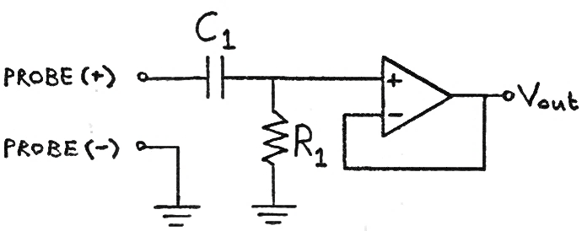
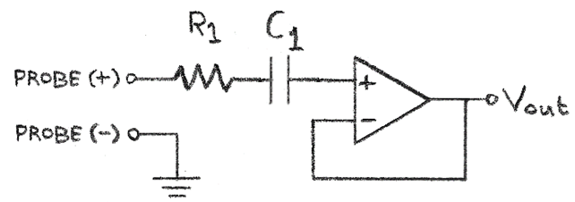
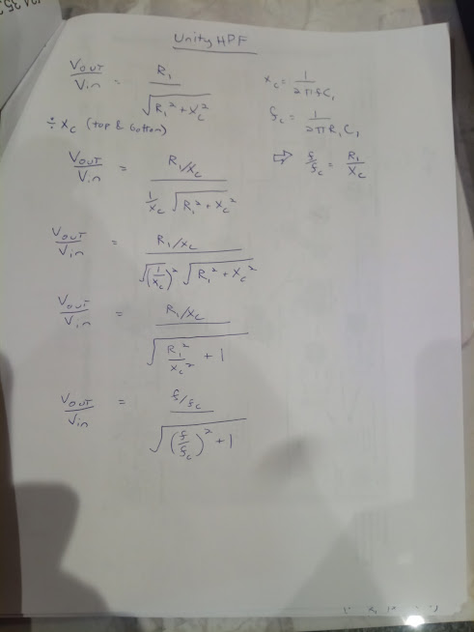
Unity Gain - High Pass Filter
An unity gain amplifier has gain=1, and a shift of 0V. |  |  |  |  | Op-Amp Characteristics
R1 | 1 | K |  |  | V+ | 5 | V (positive rail power)
C1 | 0.1 | uF |  |  | V- | -5 | V (negative rail power)
Xc | 1000.0002708 | Ohm |  |  | Headroom | 1.2 | V (=0V for rail-to-rail)
Shift | 0 | V
Gain | 1 | X |  |  | Single Test Value: |  |  |  | Variant. Note that R1 and C1 can switch locations. | I'm not sure how the second op-amp works.
Vin,max | 1 | (max V of signal) |  |  | Vin: | 1 | V |  | The models below are for the first circuit diagram.
1st Order Unity-Gain High-Pass Filter Equations
Cutoff Frequency: $f_{c}=\frac{1}{2πR_{1}C_{1}}$
Transfer Function: $V_{out}=$ $\frac{V_{in}\left(\frac{f}{f_{c}}\right)}{\sqrt{1+{\left(\frac{f}{f_{c}}\right)}^{2}}}$
Pass-Region Gain: ${ A}_{v}≈1$
Stop-Region Gain: $A_{v}=\frac{V_{out}}{V_{in}}=$ $\frac{\left(\frac{f}{f_{c}}\right)}{\sqrt{1+{\left(\frac{f}{f_{c}}\right)}^{2}}}→{Gain}_{dB}=20×log\frac{\left(\frac{f}{f_{c}}\right)}{\sqrt{1+{\left(\frac{f}{f_{c}}\right)}^{2}}}$
In Terms of Capacitive Reactance:
The capacitive reactance, X_{c}, of a capacitor C₁, with a signal of a given frequency f, is: $X_{c}=\frac{1}{2π{fC}_{1}}$
$V_{out}=$ $V_{in}\frac{R_{1}}{\sqrt{{R_{1}}^{2}+{X_{c}}^{2}}}$
f,signal | 1591.549 | Hz |  |  | Vout: | 0.70710687691 | V
period,sig | 0.00062831870084 | sec
fc | 1591.5494309 | Hz |  |  | Time Constant:
# Periods | 4 | (to display) |  |  | t: | 0.1 | msec
dt | 0.00010053099213 | sec
 |  |  | Headroom:
t (sec) | Vin(+) | Vout | Vout | Using Xc
0 | 0 | 0 | 0 | 0
0.00010053099213 | 0.8443279255 | 0.59702992084 | 0.59702992084 | 0.59702992084
0.00020106198427 | 0.90482705247 | 0.63980925798 | 0.63980925798 | 0.63980925798
0.0003015929764 | 0.12533323356 | 0.088623967364 | 0.088623967364 | 0.088623967364
0.00040212396854 | -0.77051324278 | -0.5448350652 | -0.5448350652 | -0.5448350652
0.00050265496067 | -0.9510565163 | -0.67249842092 | -0.67249842092 | -0.67249842092
0.0006031859528 | -0.24868988716 | -0.17585028182 | -0.17585028182 | -0.17585028182
0.00070371694494 | 0.68454710593 | 0.48404783511 | 0.48404783511 | 0.48404783511
0.00080424793707 | 0.98228725073 | 0.69458188203 | 0.69458188203 | 0.69458188203
0.00090477892921 | 0.36812455268 | 0.26030333229 | 0.26030333229 | 0.26030333229
0.0010053099213 | -0.58778525229 | -0.41562688151 | -0.41562688151 | -0.41562688151
0.0011058409135 | -0.99802672843 | -0.70571137194 | -0.70571137194 | -0.70571137194
0.0012063719056 | -0.4817536741 | -0.3406512437 | -0.3406512437 | -0.3406512437
0.0013069028977 | 0.4817536741 | 0.3406512437 | 0.3406512437 | 0.3406512437
0.0014074338899 | 0.99802672843 | 0.70571137194 | 0.70571137194 | 0.70571137194
0.001507964882 | 0.58778525229 | 0.41562688151 | 0.41562688151 | 0.41562688151
0.0016084958741 | -0.36812455268 | -0.26030333229 | -0.26030333229 | -0.26030333229
0.0017090268663 | -0.98228725073 | -0.69458188203 | -0.69458188203 | -0.69458188203
0.0018095578584 | -0.68454710593 | -0.48404783511 | -0.48404783511 | -0.48404783511
0.0019100888505 | 0.24868988716 | 0.17585028182 | 0.17585028182 | 0.17585028182 | Single Test Values: Amp Configuration Summary:
0.0020106198427 | 0.9510565163 | 0.67249842092 | 0.67249842092 | 0.67249842092 | V+: | 5 | V | V+: +5 V
0.0021111508348 | 0.77051324278 | 0.5448350652 | 0.5448350652 | 0.5448350652 | V-: | -5 | V | V-: -5 V
0.0022116818269 | -0.12533323356 | -0.088623967364 | -0.088623967364 | -0.088623967364 | Vin: | 1 | V | Vin: +1 V
0.0023122128191 | -0.90482705247 | -0.63980925798 | -0.63980925798 | -0.63980925798 | R1: | 1 | K | R1: 1 K
0.0024127438112 | -0.8443279255 | -0.59702992084 | -0.59702992084 | -0.59702992084 | C1: | 0.1 | uF | C1: 0.1 uF
0.0025132748034 | -9.8011876393E-16 | -6.9304853052E-16 | -6.9304853052E-16 | -6.9304853052E-16 | f,signal: | 1592 | Hz | f,signal: 1592 Hz

Unity Gain HPF Bode Plot
Bode Plot:
 | Theoretical (headroom not considered)
Frequency (Hz) | Gain,dB | Xc | Gain (Xc)
1 | -64.036404347 | 1591549.4309 | -64.036404347
2 | -58.015809578 | 795774.71546 | -58.015809578
3 | -54.493992969 | 530516.47697 | -54.493992969
4 | -51.995230239 | 397887.35773 | -51.995230239
5 | -50.057045409 | 318309.88618 | -50.057045409
6 | -48.473439348 | 265258.23849 | -48.473439348
7 | -47.134525844 | 227364.20442 | -47.134525844
8 | -45.974712621 | 198943.67886 | -45.974712621
9 | -44.951691318 | 176838.82566 | -44.951691318
10 | -44.036574082 | 159154.94309 | -44.036574082
20 | -38.016488476 | 79577.471546 | -38.016488476
30 | -34.495520338 | 53051.647697 | -34.495520338
40 | -31.997945182 | 39788.735773 | -31.997945182
50 | -30.061286747 | 31830.988618 | -30.061286747
60 | -28.479545536 | 26525.823849 | -28.479545536
70 | -27.142834894 | 22736.420442 | -27.142834894
80 | -25.98556202 | 19894.367886 | -25.98556202
90 | -24.965417946 | 17683.882566 | -24.965417946
100 | -24.053514137 | 15915.494309 | -24.053514137
200 | -18.083847895 | 7957.7471546 | -18.083847895
300 | -14.645606806 | 5305.1647697 | -14.645606806
400 | -12.261211428 | 3978.8735773 | -12.261211428
500 | -10.465778154 | 3183.0988618 | -10.465778154
600 | -9.0505037504 | 2652.5823849 | -9.0505037504
700 | -7.9024631828 | 2273.6420442 | -7.9024631828
800 | -6.9529414828 | 1989.4367886 | -6.9529414828
900 | -6.1565520192 | 1768.3882566 | -6.1565520192
1000 | -5.481472749 | 1591.5494309 | -5.481472749
2000 | -2.1305463398 | 795.77471546 | -2.1305463398
3000 | -1.0770089689 | 530.51647697 | -1.0770089689
4000 | -0.63826436508 | 397.88735773 | -0.63826436508
5000 | -0.41913992852 | 318.30988618 | -0.41913992852
6000 | -0.29530655221 | 265.25823849 | -0.29530655221
7000 | -0.21889595054 | 227.36420442 | -0.21889595054
8000 | -0.16857325574 | 198.94367886 | -0.16857325574
9000 | -0.13373213884 | 176.83882566 | -0.13373213884
10000 | -0.10863789864 | 159.15494309 | -0.10863789864
20000 | -0.027415305948 | 79.577471546 | -0.027415305948
30000 | -0.01220595107 | 53.051647697 | -0.01220595107
40000 | -0.0068700681188 | 39.788735773 | -0.0068700681188
50000 | -0.0043980953705 | 31.830988618 | -0.0043980953705
60000 | -0.0030547053786 | 26.525823849 | -0.0030547053786
70000 | -0.002244482717 | 22.736420442 | -0.002244482717
80000 | -0.0017185361455 | 19.894367886 | -0.0017185361455
90000 | -0.0013579121003 | 17.683882566 | -0.0013579121003
100000 | -0.0010999414706 | 15.915494309 | -0.0010999414706
200000 | -0.00027501148591 | 7.9577471546 | -0.00027501148591
300000 | -0.00012222947705 | 5.3051647697 | -0.00012222947705
400000 | -6.8754504129E-05 | 3.9788735773 | -6.8754504129E-05
500000 | -4.4003008034E-05 | 3.1830988618 | -4.4003008034E-05
600000 | -3.055769177E-05 | 2.6525823849 | -3.055769177E-05
700000 | -2.2450570011E-05 | 2.2736420442 | -2.2450570011E-05
800000 | -1.7188728077E-05 | 1.9894367886 | -1.7188728077E-05
900000 | -1.3581222887E-05 | 1.7683882566 | -1.3581222887E-05
1000000 | -1.1000793806E-05 | 1.5915494309 | -1.1000793806E-05

Unity BPF
Unity Gain - Band Pass Filter
An unity gain amplifier has gain=1, and a shift of 0V in the pass region. |  |  |  |  |  | Op-Amp Characteristics
LPF: |  |  | HPF: |  |  | V+ | 5 | V (positive rail power)
R1 | 8 | K | R2 | 8 | K | V- | -5 | V (negative rail power)
C1 | 0.01 | uF | C2 | 0.1 | uF | Headroom | 1.2 | V (=0V for rail-to-rail)
Xc1 | 25298.221281 | Ohm | Xc2 | 2529.8221281 | Ohm
fc | 1989.4367886 | Hz | fc | 198.94367886 | Hz | Single Test Value:
1st Order Unity-Gain Low-Pass Filter Equations
Cutoff Frequency: $f_{c}=\frac{1}{2πR_{1}C_{1}}$
Transfer Function: $V_{out}=$ $V_{in}\frac{1}{\sqrt{1+{\left(\frac{f}{f_{c,LPF}}\right)}^{2}}}×\frac{\left(\frac{f}{f_{c,HPF}}\right)}{\sqrt{1+{\left(\frac{f}{f_{c,HPF}}\right)}^{2}}}$
Pass-Region Gain: ${ A}_{v}≈1; V_{in}≈V_{out}$
Stop-Region Gain: $A_{v}=\frac{V_{out}}{V_{in}}=$ $\frac{1}{\sqrt{1+{\left(\frac{f}{f_{c,LPF}}\right)}^{2}}}×\frac{\left(\frac{f}{f_{c,HPF}}\right)}{\sqrt{1+{\left(\frac{f}{f_{c,HPF}}\right)}^{2}}}$
Transfer Function In Terms of Capacitive Reactance:
The capacitive reactance, X_{c}, of a capacitor C₁, with a signal of a given frequency f, is:
$X_{c}=\frac{1}{2π{fC}_{1}}$; $V_{out}=$ $V_{in}\frac{X_{c1}}{\sqrt{{R_{1}}^{2}+{X_{c1}}^{2}}}×\frac{R_{2}}{\sqrt{{R_{2}}^{2}+{X_{c2}}^{2}}}$
Shift | 0 | V |  |  |  | Vin: | 1 | V
Gain | 1 | X | fr: | 629.11515131 | Hz | Vout: | 0.95346258925 | V
Vin,max | 1 | (max V of signal) | BW@3dB: | 1790.4931098 | Hz
f,signal | 629.11515131 | Hz | QBP: | 0.35136418446 |  | Time Constant:
period,sig | 0.0015895341225 | sec |  |  |  | t: | 0.08 | msec

# Periods | 4 | (to display)
dt | 0.0002543254596 | sec
 |  |  | Headroom:
t (sec) | Vin(+) | Vout | Vout | Using Xc
0 | 0 | 0 | 0 | 0
0.0002543254596 | 0.8443279255 | 0.76757084137 | 0.76757084137 | 0.76757084137
0.00050865091921 | 0.90482705247 | 0.8225700477 | 0.8225700477 | 0.8225700477
0.00076297637881 | 0.12533323356 | 0.11393930324 | 0.11393930324 | 0.11393930324
0.0010173018384 | -0.77051324278 | -0.70046658434 | -0.70046658434 | -0.70046658434
0.001271627298 | -0.9510565163 | -0.864596833 | -0.864596833 | -0.864596833
0.0015259527576 | -0.24868988716 | -0.2260817156 | -0.2260817156 | -0.2260817156
Resonant Frequency:
$$f_{r}=\sqrt{f_{c,HPF}×f_{c,LPF}}$$
Bandwidth:
$${BW}_{3dB}=f_{c,LPF}−f_{c,HPF}$$
Q-Factor:
$$Q_{BP}=\frac{f_{r}}{{BW}_{3dB}}$$
0.0017802782172 | 0.68454710593 | 0.62231555084 | 0.62231555084 | 0.62231555084
0.0020346036768 | 0.98228725073 | 0.89298840975 | 0.89298840975 | 0.89298840975
0.0022889291364 | 0.36812455268 | 0.33465868426 | 0.33465868426 | 0.33465868426
0.002543254596 | -0.58778525229 | -0.53435022936 | -0.53435022936 | -0.53435022936
0.0027975800556 | -0.99802672843 | -0.90729702584 | -0.90729702584 | -0.90729702584
0.0030519055153 | -0.4817536741 | -0.43795788555 | -0.43795788555 | -0.43795788555
0.0033062309749 | 0.4817536741 | 0.43795788555 | 0.43795788555 | 0.43795788555
0.0035605564345 | 0.99802672843 | 0.90729702584 | 0.90729702584 | 0.90729702584
0.0038148818941 | 0.58778525229 | 0.53435022936 | 0.53435022936 | 0.53435022936
0.0040692073537 | -0.36812455268 | -0.33465868426 | -0.33465868426 | -0.33465868426
0.0043235328133 | -0.98228725073 | -0.89298840975 | -0.89298840975 | -0.89298840975
0.0045778582729 | -0.68454710593 | -0.62231555084 | -0.62231555084 | -0.62231555084
0.0048321837325 | 0.24868988716 | 0.2260817156 | 0.2260817156 | 0.2260817156 |  | Single Test Values: Amp Configuration Summary:
0.0050865091921 | 0.9510565163 | 0.864596833 | 0.864596833 | 0.864596833 |  | V+: | 5 | V | V+: +5 V
0.0053408346517 | 0.77051324278 | 0.70046658434 | 0.70046658434 | 0.70046658434 |  | V-: | -5 | V | V-: -5 V
0.0055951601113 | -0.12533323356 | -0.11393930324 | -0.11393930324 | -0.11393930324 |  | Vin: | 1 | V | Vin: +1 V
0.0058494855709 | -0.90482705247 | -0.8225700477 | -0.8225700477 | -0.8225700477 |  | R1: | 8 | K | R1: 8 K
0.0061038110305 | -0.8443279255 | -0.76757084137 | -0.76757084137 | -0.76757084137 |  | C1: | 0.01 | uF | C1: 0.01 uF
0.0063581364901 | 6.1253085937E-15 | 5.5684623579E-15 | 5.5684623579E-15 | 5.5684623579E-15 |  | R2: | 8 | K | R2: 8 K
 |  |  |  |  |  | C2: | 0.1 | uF | C2: 0.1 uF
Bode Plot: |  |  |  |  |  | f,signal: | 629 | Hz | f,signal: 629 Hz
Unity Gain LPF Bode Plot
 | Theoretical (headroom not considered)
Frequency (Hz) | Xc1 | Xc2 | Gain,dB | Gain,dB (Xc)
1 | 15915494.309 | 1591549.4309 | -45.974713719 | -45.974713719
2 | 7957747.1546 | 795774.71546 | -39.954446265 | -39.954446265
3 | 5305164.7697 | 530516.47697 | -36.433175129 | -36.433175129
4 | 3978873.5773 | 397887.35773 | -33.935175943 | -33.935175943
5 | 3183098.8618 | 318309.88618 | -31.997972614 | -31.997972614
6 | 2652582.3849 | 265258.23849 | -30.41556586 | -30.41556586
7 | 2273642.0442 | 227364.20442 | -29.078069288 | -29.078069288
8 | 1989436.7886 | 198943.67886 | -27.919890406 | -27.919890406
9 | 1768388.2566 | 176838.82566 | -26.898720604 | -26.898720604
10 | 1591549.4309 | 159154.94309 | -25.985671748 | -25.985671748
20 | 795774.71546 | 79577.471546 | -19.998113426 | -19.998113426
30 | 530516.47697 | 53051.647697 | -16.530815839 | -16.530815839
40 | 397887.35773 | 39788.735773 | -14.107269933 | -14.107269933
50 | 318309.88618 | 31830.988618 | -12.263953804 | -12.263953804
60 | 265258.23849 | 26525.823849 | -10.793607762 | -10.793607762
70 | 227364.20442 | 22736.420442 | -9.5849224834 | -9.5849224834
80 | 198943.67886 | 19894.367886 | -8.5707735257 | -8.5707735257
90 | 176838.82566 | 17683.882566 | -7.7072626256 | -7.7072626256
100 | 159154.94309 | 15915.494309 | -6.9639006096 | -6.9639006096
200 | 79577.471546 | 7957.7471546 | -3.0310338917 | -3.0310338917
300 | 53051.647697 | 5305.1647697 | -1.680557902 | -1.680557902
400 | 39788.735773 | 3978.8735773 | -1.1320511634 | -1.1320511634
500 | 31830.988618 | 3183.0988618 | -0.90427298698 | -0.90427298698
600 | 26525.823849 | 2652.5823849 | -0.83107846875 | -0.83107846875
700 | 22736.420442 | 2273.6420442 | -0.84425033077 | -0.84425033077
800 | 19894.367886 | 1989.4367886 | -0.91155047008 | -0.91155047008
900 | 17683.882566 | 1768.3882566 | -1.0158162929 | -1.0158162929
1000 | 15915.494309 | 1591.5494309 | -1.1469118456 | -1.1469118456
2000 | 7957.7471546 | 795.77471546 | -3.0761200633 | -3.0761200633
3000 | 5305.1647697 | 530.51647697 | -5.1697862704 | -5.1697862704
4000 | 3978.8735773 | 397.88735773 | -7.0372662611 | -7.0372662611
5000 | 3183.0988618 | 318.30988618 | -8.6499316269 | -8.6499316269
6000 | 2652.5823849 | 265.25823849 | -10.046191212 | -10.046191212
7000 | 2273.6420442 | 227.36420442 | -11.26820777 | -11.26820777
8000 | 1989.4367886 | 198.94367886 | -12.350478885 | -12.350478885
9000 | 1768.3882566 | 176.83882566 | -13.319554238 | -13.319554238
10000 | 1591.5494309 | 159.15494309 | -14.195688899 | -14.195688899
20000 | 795.77471546 | 79.577471546 | -20.089187419 | -20.089187419
30000 | 530.51647697 | 53.051647697 | -23.587069936 | -23.587069936
40000 | 397.88735773 | 39.788735773 | -26.077434073 | -26.077434073
50000 | 318.30988618 | 31.830988618 | -28.011736016 | -28.011736016
60000 | 265.25823849 | 26.525823849 | -29.593241894 | -29.593241894
70000 | 227.36420442 | 22.736420442 | -30.930899481 | -30.930899481
80000 | 198.94367886 | 19.894367886 | -32.089908618 | -32.089908618
90000 | 176.83882566 | 17.683882566 | -33.112390068 | -33.112390068
100000 | 159.15494309 | 15.915494309 | -34.027132832 | -34.027132832
200000 | 79.577471546 | 7.9577471546 | -40.046431015 | -40.046431015
300000 | 53.051647697 | 5.3051647697 | -43.568015093 | -43.568015093
400000 | 39.788735773 | 3.9788735773 | -46.066705436 | -46.066705436
500000 | 31.830988618 | 3.1830988618 | -48.004866636 | -48.004866636
600000 | 26.525823849 | 2.6525823849 | -49.588470338 | -49.588470338
700000 | 22.736420442 | 2.2736420442 | -50.927393337 | -50.927393337
800000 | 19.894367886 | 1.9894367886 | -52.087223973 | -52.087223973
900000 | 17.683882566 | 1.7683882566 | -53.110268729 | -53.110268729
1000000 | 15.915494309 | 1.5915494309 | -54.025414468 | -54.025414468

Inv
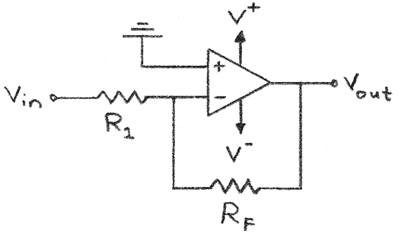
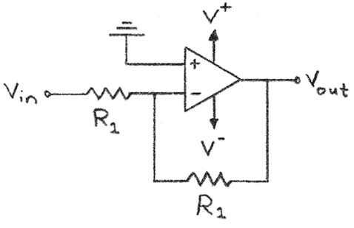
Inverting Amplifier
An inverting amplifier has gain<0, and a shift of 0V. |  |  |  | Op-Amp Characteristics
R1 | 1 | K |  | V+ | 12 | V (positive rail power)
Rf | 5 | K |  | V- | -12 | V (negative rail power)
Shift | 0 | V |  | Headroom | 1 | V (=0V for rail-to-rail)
Gain | -5 | X
Vin,max | 1 | (max V of signal)
 |  |  | Headroom: | Single Test Value:
t | Vin(+) | Vout | Vout | Vin: | 3 | V
Inverting Amplifier
V_{out} = $\left(−\frac{R_{F}}{R_{1}}\right)$V_{in}
Invertor
V_{out} = $−$V_{in}
0 | 0 | 0 | 0 | Vout: | -11 | V
0.1 | 0.099833416647 | -0.49916708323 | -0.49916708323
0.2 | 0.1986693308 | -0.99334665398 | -0.99334665398
1.2 | 0.93203908597 | -4.6601954298 | -4.6601954298
2.2 | 0.80849640382 | -4.0424820191 | -4.0424820191
3.2 | -0.058374143428 | 0.29187071714 | 0.29187071714
4.2 | -0.87157577241 | 4.3578788621 | 4.3578788621
5.2 | -0.88345465572 | 4.4172732786 | 4.4172732786
6.2 | -0.083089402817 | 0.41544701409 | 0.41544701409
7.2 | 0.79366786385 | -3.9683393192 | -3.9683393192
8.2 | 0.94073055668 | -4.7036527834 | -4.7036527834
9.2 | 0.2228899141 | -1.1144495705 | -1.1144495705
10.2 | -0.69987468759 | 3.499373438 | 3.499373438
11.2 | -0.97917772915 | 4.8958886458 | 4.8958886458
12.2 | -0.35822928224 | 1.7911464112 | 1.7911464112
13.2 | 0.59207351471 | -2.9603675735 | -2.9603675735
14.2 | 0.99802665272 | -4.9901332636 | -4.9901332636
15.2 | 0.48639868885 | -2.4319934443 | -2.4319934443
16.2 | -0.4724219864 | 2.362109932 | 2.362109932
17.2 | -0.99690006604 | 4.9845003302 | 4.9845003302 | Single Test Values: Amp Configuration Summary:
18.2 | -0.60483282241 | 3.024164112 | 3.024164112 | V+: | 12 | V | V+: +12 V
19.2 | 0.34331492882 | -1.7165746441 | -1.7165746441 | V-: | -12 | V | V-: -12 V
20.2 | 0.97582051777 | -4.8791025888 | -4.8791025888 | Vin: | 3 | V | Vin: +3 V
21.2 | 0.71116122291 | -3.5558061145 | -3.5558061145 | R1: | 1 | K | R1: 1 K
22.2 | -0.20733642061 | 1.036682103 | 1.036682103 | RF: | 5 | K | RF: 5 K
23.2 | -0.93520991519 | 4.676049576 | 4.676049576

Inv LPF
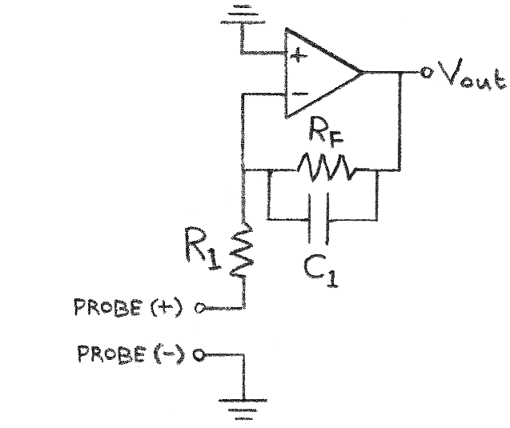
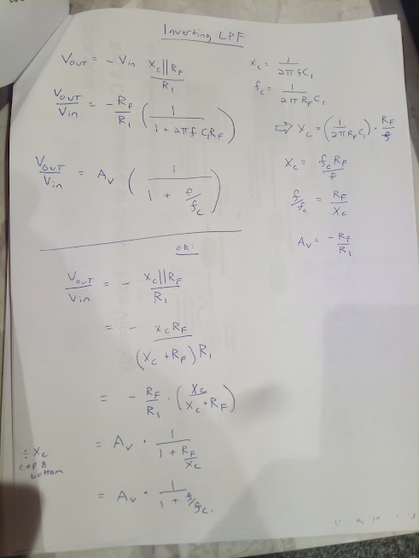
Inverting Amplifier - Low Pass Filter
An inverting amplifier has gain<0, and a shift of 0V. |  |  |  |  | Op-Amp Characteristics
R1 | 1 | K |  |  | V+ | 5 | V (positive rail power)
Rf | 1 | K |  |  | V- | -5 | V (negative rail power)
C1 | 0.1 | uF |  |  | Headroom | 0 | V (=0V for rail-to-rail)
Shift | 0 | V
Gain | -1 | X |  |  | Single Test Value:
Xc | 10000.310593 | R
Vin,max | 1 | (max V of signal) |  |  | Vin: | 1 | V
f,signal | 159.15 | Hz |  |  | Vout: | -0.99503749619 | V
period,sig | 0.0062833804587 | sec
fc | 1591.5494309 | Hz |  |  | Time Constant:
# Periods | 4 | (to display) |  |  | t: | 0.1 | msec
dt | 0.0010053408734 | sec
 |  |  | Headroom:
t (sec) | Vin(+) | Vout | Vout | using Xc
Inverting Amplifying LPF
Cutoff Frequency: $f_{c}=\frac{1}{2πR_{F}C_{1}}$
Transfer Function: $V_{out}=$ $V_{in}\frac{−\left({R_{F}}/{R_{1}}\right) }{\sqrt{1+{\left(\frac{f}{f_{c}}\right)}^{2}}}$
Pass-Region Gain: ${ A}_{v}=−\left({R_{F}}/{R_{1}}\right)$
Stop-Region Gain: ${ A}_{v}=\frac{−\left({R_{F}}/{R_{1}}\right) }{\sqrt{1+{\left(\frac{f}{f_{c}}\right)}^{2}}}$
→${Gain}_{dB}=20log\frac{−\left({R_{F}}/{R_{1}}\right) }{\sqrt{1+{\left(\frac{f}{f_{c}}\right)}^{2}}}$
Transfer Function in Terms of Capacitive Reactance:
Reactance of C₁: $X_{c}=\frac{1}{2π{fC}_{1}}$
$V_{out}=$ ${−V}_{in}\frac{X_{c}||R_{F}}{R_{1}}=−\frac{R_{F}}{R_{1}}\left(\frac{1}{1+2πfC_{1}R_{F}}\right)$
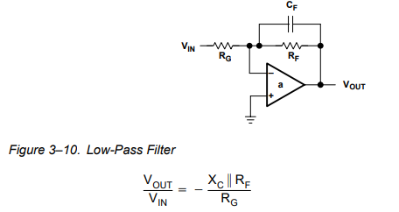
0 | 0 | 0 | 0 | 0
0.0010053408734 | 0.8443279255 | -0.7675730086 | -0.7675730086 | -0.7675730086
0.0020106817468 | 0.90482705247 | -0.82257237022 | -0.82257237022 | -0.82257237022
0.0030160226202 | 0.12533323356 | -0.11393962495 | -0.11393962495 | -0.11393962495
0.0040213634936 | -0.77051324278 | 0.70046856211 | 0.70046856211 | 0.70046856211
0.0050267043669 | -0.9510565163 | 0.86459927418 | 0.86459927418 | 0.86459927418
0.0060320452403 | -0.24868988716 | 0.22608235395 | 0.22608235395 | 0.22608235395
0.0070373861137 | 0.68454710593 | -0.62231730795 | -0.62231730795 | -0.62231730795
0.0080427269871 | 0.98228725073 | -0.8929909311 | -0.8929909311 | -0.8929909311
0.0090480678605 | 0.36812455268 | -0.33465962917 | -0.33465962917 | -0.33465962917
0.010053408734 | -0.58778525229 | 0.53435173809 | 0.53435173809 | 0.53435173809
0.011058749607 | -0.99802672843 | 0.90729958759 | 0.90729958759 | 0.90729958759
0.012064090481 | -0.4817536741 | 0.43795912212 | 0.43795912212 | 0.43795912212
0.013069431354 | 0.4817536741 | -0.43795912212 | -0.43795912212 | -0.43795912212
0.014074772227 | 0.99802672843 | -0.90729958759 | -0.90729958759 | -0.90729958759 |  |  |  |  | https://www.electronics-tutorials.ws/opamp/opamp_6.html
0.015080113101 | 0.58778525229 | -0.53435173809 | -0.53435173809 | -0.53435173809
0.016085453974 | -0.36812455268 | 0.33465962917 | 0.33465962917 | 0.33465962917
0.017090794848 | -0.98228725073 | 0.8929909311 | 0.8929909311 | 0.8929909311
0.018096135721 | -0.68454710593 | 0.62231730795 | 0.62231730795 | 0.62231730795
0.019101476594 | 0.24868988716 | -0.22608235395 | -0.22608235395 | -0.22608235395 | Single Test Values: Amp Configuration Summary:
0.020106817468 | 0.9510565163 | -0.86459927418 | -0.86459927418 | -0.86459927418 | V+: | 5 | V | V+: +5 V
0.021112158341 | 0.77051324278 | -0.70046856211 | -0.70046856211 | -0.70046856211 | V-: | -5 | V | V-: -5 V
0.022117499215 | -0.12533323356 | 0.11393962495 | 0.11393962495 | 0.11393962495 | Vin: | 1 | V | Vin: +1 V
0.023122840088 | -0.90482705247 | 0.82257237022 | 0.82257237022 | 0.82257237022 | R1: | 1 | K | R1: 1 K
0.024128180961 | -0.8443279255 | 0.7675730086 | 0.7675730086 | 0.7675730086 | RF: | 1 | K | RF: 1 K
0.025133521835 | 9.6780222725E-15 | -8.7982269076E-15 | -8.7982269076E-15 | -8.7982269076E-15 | C1: | 0.1 | uF | C1: 0.1 uF
 |  |  |  |  | f,signal: | 159 | Hz | f,signal: 159 Hz
Bode Plot:
 | Theoretical (headroom not considered)
Inverting LPF Bode Plot
Frequency (Hz) | Gain,dB | Xc | Gain,dB (Xc)
1 | -0.0054557916073 | 1591549.4309 | -0.0054557916073
2 | -0.010908158467 | 795774.71546 | -0.010908158467
3 | -0.016357104877 | 530516.47697 | -0.016357104877
4 | -0.021802635124 | 397887.35773 | -0.021802635124
5 | -0.027244753491 | 318309.88618 | -0.027244753491
6 | -0.032683464249 | 265258.23849 | -0.032683464249
7 | -0.038118771665 | 227364.20442 | -0.038118771665
8 | -0.043550679993 | 198943.67886 | -0.043550679993
9 | -0.048979193483 | 176838.82566 | -0.048979193483
10 | -0.054404316376 | 159154.94309 | -0.054404316376
20 | -0.10846998977 | 79577.471546 | -0.10846998977
30 | -0.16220120993 | 53051.647697 | -0.16220120993
40 | -0.21560208931 | 39788.735773 | -0.21560208931
50 | -0.268676665 | 31830.988618 | -0.268676665
60 | -0.32142890051 | 26525.823849 | -0.32142890051
70 | -0.37386268759 | 22736.420442 | -0.37386268759
80 | -0.42598184793 | 19894.367886 | -0.42598184793
90 | -0.47779013481 | 17683.882566 | -0.47779013481
100 | -0.52929123479 | 15915.494309 | -0.52929123479
200 | -1.0281732742 | 7957.7471546 | -1.0281732742
300 | -1.4999512667 | 5305.1647697 | -1.4999512667
400 | -1.9474191714 | 3978.8735773 | -1.9474191714
500 | -2.3729600271 | 3183.0988618 | -2.3729600271
600 | -2.7786227815 | 2652.5823849 | -2.7786227815
700 | -3.1661819638 | 2273.6420442 | -3.1661819638
800 | -3.5371846018 | 1989.4367886 | -3.5371846018
900 | -3.8929875221 | 1768.3882566 | -3.8929875221
1000 | -4.2347873059 | 1591.5494309 | -4.2347873059
2000 | -7.0692343283 | 795.77471546 | -7.0692343283
3000 | -9.2027826498 | 530.51647697 | -9.2027826498
4000 | -10.914240738 | 397.88735773 | -10.914240738
5000 | -12.343347632 | 318.30988618 | -12.343347632
6000 | -13.570205851 | 265.25823849 | -13.570205851
7000 | -14.64502723 | 227.36420442 | -14.64502723
8000 | -15.601372753 | 198.94367886 | -15.601372753
9000 | -16.462787315 | 176.83882566 | -16.462787315
10000 | -17.246427198 | 159.15494309 | -17.246427198
20000 | -22.649273544 | 79.577471546 | -22.649273544
30000 | -25.955015902 | 53.051647697 | -25.955015902
40000 | -28.34369936 | 39.788735773 | -28.34369936
50000 | -30.215168789 | 31.830988618 | -30.215168789
60000 | -31.754019959 | 26.525823849 | -31.754019959
70000 | -33.060832603 | 22.736420442 | -33.060832603
80000 | -34.196500977 | 19.894367886 | -34.196500977
90000 | -35.200705486 | 17.683882566 | -35.200705486
100000 | -36.100749048 | 15.915494309 | -36.100749048
200000 | -42.053043824 | 7.9577471546 | -42.053043824
300000 | -45.551980737 | 5.3051647697 | -45.551980737
400000 | -48.039288677 | 3.9788735773 | -48.039288677
500000 | -49.970601589 | 3.1830988618 | -49.970601589
600000 | -51.549631909 | 2.6525823849 | -51.549631909
700000 | -52.885284355 | 2.2736420442 | -52.885284355
800000 | -54.042659969 | 1.9894367886 | -54.042659969
900000 | -55.063794016 | 1.7683882566 | -55.063794016
1000000 | -55.977410401 | 1.5915494309 | -55.977410401

Inv HPF
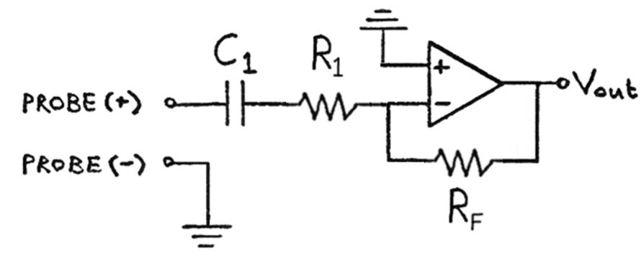
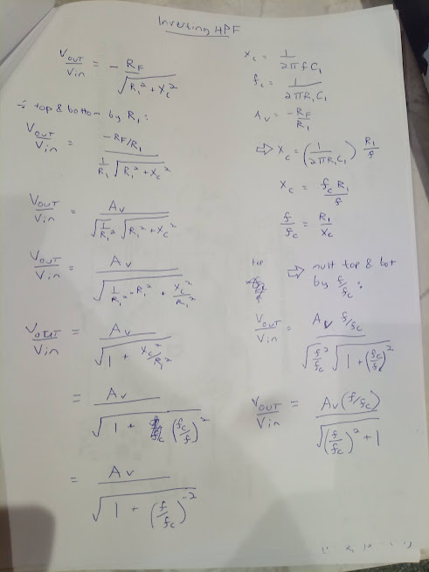
Inverting Amplifier - High Pass Filter
R1 | 1 | K |  |  | Op-Amp Characteristics
C1 | 0.1 | uF |  |  | V+ | 5 | V (positive rail power)
RF | 1 | K |  |  | V- | -5 | V (negative rail power)
Shift | 0 | V |  |  | Headroom | 1.2 | V (=0V for rail-to-rail)
Gain | -1 | X
Xc | 1000 | Ohm |  |  | Single Test Value:
Inverting Amplifying HPF
Cutoff Frequency: $f_{c}=\frac{1}{2πR_{1}C_{1}}$
Transfer Function: $V_{out}=$ $V_{in}\frac{−\left(\frac{R_{F}}{R_{1}}\right)\left(\frac{f}{f_{c}}\right)}{\sqrt{1+{\left(\frac{f}{f_{c}}\right)}^{2}}}$
Pass-Region Gain: ${ A}_{v}=−\left({R_{F}}/{R_{1}}\right)$
Stop-Region Gain: ${ A}_{v}=\frac{−\left(\frac{R_{F}}{R_{1}}\right)\left(\frac{f}{f_{c}}\right)}{\sqrt{1+{\left(\frac{f}{f_{c}}\right)}^{2}}}$
Transfer Function in Terms of Capacitive Reactance:
Reactance of C₁: $X_{c}=\frac{1}{2π{fC}_{1}}$
$V_{out}=$ ${−V}_{in}\frac{R_{F}}{\sqrt{{R_{1}}^{2}+{X_{c}}^{2}}}$
Vin,max | 1 | (max V of signal)
f,signal | 1591.5494309 | Hz |  |  | Vin: | 1 | V
period,sig | 0.00062831853072 | sec |  |  | Vout: | -0.70710678119 | V
fc | 1591.5494309 | Hz
# Periods | 4 | (to display) |  |  | Time Constant:
dt | 0.00010053096491 | sec |  |  | t: | 0.1 | msec

 |  |  | Headroom:
t (sec) | Vin(+) | Vout | Vout | using Xc:
0 | 0 | 0 | 0 | 0
0.00010053096491 | 0.8443279255 | -0.59703000167 | -0.59703000167 | -0.59703000167
0.00020106192983 | 0.90482705247 | -0.6398093446 | -0.6398093446 | -0.6398093446
0.00030159289474 | 0.12533323356 | -0.088623979361 | -0.088623979361 | -0.088623979361
0.00040212385966 | -0.77051324278 | 0.54483513896 | 0.54483513896 | 0.54483513896
0.00050265482457 | -0.9510565163 | 0.67249851196 | 0.67249851196 | 0.67249851196
0.00060318578949 | -0.24868988716 | 0.17585030563 | 0.17585030563 | 0.17585030563
0.0007037167544 | 0.68454710593 | -0.48404790064 | -0.48404790064 | -0.48404790064
0.00080424771932 | 0.98228725073 | -0.69458197606 | -0.69458197606 | -0.69458197606
0.00090477868423 | 0.36812455268 | -0.26030336752 | -0.26030336752 | -0.26030336752
0.0010053096491 | -0.58778525229 | 0.41562693778 | 0.41562693778 | 0.41562693778
0.0011058406141 | -0.99802672843 | 0.70571146748 | 0.70571146748 | 0.70571146748
0.001206371579 | -0.4817536741 | 0.34065128982 | 0.34065128982 | 0.34065128982
0.0013069025439 | 0.4817536741 | -0.34065128982 | -0.34065128982 | -0.34065128982
0.0014074335088 | 0.99802672843 | -0.70571146748 | -0.70571146748 | -0.70571146748
0.0015079644737 | 0.58778525229 | -0.41562693778 | -0.41562693778 | -0.41562693778
0.0016084954386 | -0.36812455268 | 0.26030336752 | 0.26030336752 | 0.26030336752
0.0017090264036 | -0.98228725073 | 0.69458197606 | 0.69458197606 | 0.69458197606
0.0018095573685 | -0.68454710593 | 0.48404790064 | 0.48404790064 | 0.48404790064
0.0019100883334 | 0.24868988716 | -0.17585030563 | -0.17585030563 | -0.17585030563 | Single Test Values: Amp Configuration Summary:
0.0020106192983 | 0.9510565163 | -0.67249851196 | -0.67249851196 | -0.67249851196 | V+: | 5 | V | V+: +5 V
0.0021111502632 | 0.77051324278 | -0.54483513896 | -0.54483513896 | -0.54483513896 | V-: | -5 | V | V-: -5 V
0.0022116812281 | -0.12533323356 | 0.088623979361 | 0.088623979361 | 0.088623979361 | Vin: | 1 | V | Vin: +1 V
0.002312212193 | -0.90482705247 | 0.6398093446 | 0.6398093446 | 0.6398093446 | R1: | 1 | K | R1: 1 K
0.002412743158 | -0.8443279255 | 0.59703000167 | 0.59703000167 | 0.59703000167 | C1: | 0.1 | uF | C1: 0.1 uF
0.0025132741229 | 9.6780222725E-15 | -6.8433951773E-15 | -6.8433951773E-15 | -6.8433951773E-15 | f,signal: | 1592 | Hz | f,signal: 1592 Hz

Inverting HPF Bode Plot
Bode Plot:
 | Theoretical (headroom not considered)
Frequency (Hz) | Gain,dB | Xc | Gain,dB (Xc)
1 | -64.036404347 | 1591549.4309 | -64.036404347
2 | -58.015809578 | 795774.71546 | -58.015809578
3 | -54.493992969 | 530516.47697 | -54.493992969
4 | -51.995230239 | 397887.35773 | -51.995230239
5 | -50.057045409 | 318309.88618 | -50.057045409
6 | -48.473439348 | 265258.23849 | -48.473439348
7 | -47.134525844 | 227364.20442 | -47.134525844
8 | -45.974712621 | 198943.67886 | -45.974712621
9 | -44.951691318 | 176838.82566 | -44.951691318
10 | -44.036574082 | 159154.94309 | -44.036574082
20 | -38.016488476 | 79577.471546 | -38.016488476
30 | -34.495520338 | 53051.647697 | -34.495520338
40 | -31.997945182 | 39788.735773 | -31.997945182
50 | -30.061286747 | 31830.988618 | -30.061286747
60 | -28.479545536 | 26525.823849 | -28.479545536
70 | -27.142834894 | 22736.420442 | -27.142834894
80 | -25.98556202 | 19894.367886 | -25.98556202
90 | -24.965417946 | 17683.882566 | -24.965417946
100 | -24.053514137 | 15915.494309 | -24.053514137
200 | -18.083847895 | 7957.7471546 | -18.083847895
300 | -14.645606806 | 5305.1647697 | -14.645606806
400 | -12.261211428 | 3978.8735773 | -12.261211428
500 | -10.465778154 | 3183.0988618 | -10.465778154
600 | -9.0505037504 | 2652.5823849 | -9.0505037504
700 | -7.9024631828 | 2273.6420442 | -7.9024631828
800 | -6.9529414828 | 1989.4367886 | -6.9529414828
900 | -6.1565520192 | 1768.3882566 | -6.1565520192
1000 | -5.481472749 | 1591.5494309 | -5.481472749
2000 | -2.1305463398 | 795.77471546 | -2.1305463398
3000 | -1.0770089689 | 530.51647697 | -1.0770089689
4000 | -0.63826436508 | 397.88735773 | -0.63826436508
5000 | -0.41913992852 | 318.30988618 | -0.41913992852
6000 | -0.29530655221 | 265.25823849 | -0.29530655221
7000 | -0.21889595054 | 227.36420442 | -0.21889595054
8000 | -0.16857325574 | 198.94367886 | -0.16857325574
9000 | -0.13373213884 | 176.83882566 | -0.13373213884
10000 | -0.10863789864 | 159.15494309 | -0.10863789864
20000 | -0.027415305948 | 79.577471546 | -0.027415305948
30000 | -0.01220595107 | 53.051647697 | -0.01220595107
40000 | -0.0068700681188 | 39.788735773 | -0.0068700681188
50000 | -0.0043980953705 | 31.830988618 | -0.0043980953705
60000 | -0.0030547053786 | 26.525823849 | -0.0030547053786
70000 | -0.002244482717 | 22.736420442 | -0.002244482717
80000 | -0.0017185361455 | 19.894367886 | -0.0017185361455
90000 | -0.0013579121003 | 17.683882566 | -0.0013579121003
100000 | -0.0010999414706 | 15.915494309 | -0.0010999414706
200000 | -0.00027501148591 | 7.9577471546 | -0.00027501148591
300000 | -0.00012222947705 | 5.3051647697 | -0.00012222947705
400000 | -6.8754504129E-05 | 3.9788735773 | -6.8754504128E-05
500000 | -4.4003008034E-05 | 3.1830988618 | -4.4003008035E-05
600000 | -3.055769177E-05 | 2.6525823849 | -3.0557691771E-05
700000 | -2.2450570011E-05 | 2.2736420442 | -2.245057001E-05
800000 | -1.7188728077E-05 | 1.9894367886 | -1.7188728076E-05
900000 | -1.3581222887E-05 | 1.7683882566 | -1.3581222886E-05
1000000 | -1.1000793806E-05 | 1.5915494309 | -1.1000793807E-05

InvAmp-BAD
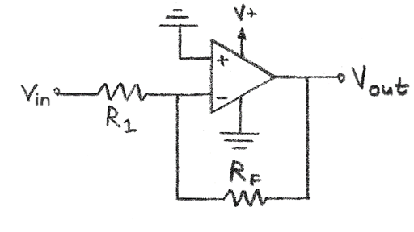
Inverting Amplifier - Warning!
R1 | 1 | K |  | Op-Amp Characteristics
Rf | 3.5 | K |  | V+ | 10 | V (positive rail power)
Shift | 0 | V |  | V- | 0 | V (negative rail power)
Gain | -3.5 | X |  | Headroom | 0.5 | V (=0V for rail-to-rail)
Vin,max | 1 | (max V of signal)

 |  |  | Headroom: | Single Test Value:
t | Vin(+) | Vout | Vout | Vin: | 2.5 | V
0 | 1 | -3.5 | 0.5 | Vout: | 0.5 | V
0.1 | 1.0998334166 | -3.8494169583 | 0.5
Inverting Amplifier
V_{out} = $\left(−\frac{R_{F}}{R_{1}}\right)$V_{in}
0.2 | 1.1986693308 | -4.1953426578 | 0.5
1.2 | 1.932039086 | -6.7621368009 | 0.5
2.2 | 1.8084964038 | -6.3297374134 | 0.5
3.2 | 0.94162585657 | -3.295690498 | 0.5
4.2 | 0.12842422759 | -0.44948479655 | 0.5
5.2 | 0.11654534428 | -0.40790870498 | 0.5
6.2 | 0.91691059718 | -3.2091870901 | 0.5
7.2 | 1.7936678638 | -6.2778375235 | 0.5
8.2 | 1.9407305567 | -6.7925569484 | 0.5
9.2 | 1.2228899141 | -4.2801146994 | 0.5
10.2 | 0.30012531241 | -1.0504385934 | 0.5
11.2 | 0.020822270849 | -0.07287794797 | 0.5
12.2 | 0.64177071776 | -2.2461975122 | 0.5
13.2 | 1.5920735147 | -5.5722573015 | 0.5
14.2 | 1.9980266527 | -6.9930932845 | 0.5
15.2 | 1.4863986889 | -5.202395411 | 0.5
16.2 | 0.5275780136 | -1.8465230476 | 0.5
17.2 | 0.0030999339584 | -0.010849768854 | 0.5 | Single Test Values: Amp Configuration Summary:
18.2 | 0.39516717759 | -1.3830851216 | 0.5 | V+: | 10 | V | V+: +10 V
19.2 | 1.3433149288 | -4.7016022509 | 0.5 | V-: | 0 | V | V-: 0 V
20.2 | 1.9758205178 | -6.9153718122 | 0.5 | Vin: | 2.5 | V | Vin: +2.5 V
21.2 | 1.7111612229 | -5.9890642802 | 0.5 | R1: | 1 | K | R1: 1 K
22.2 | 0.79266357939 | -2.7743225279 | 0.5 | RF: | 3.5 | K | RF: 3.5 K
23.2 | 0.064790084805 | -0.22676529682 | 0.5

Inv+Bias
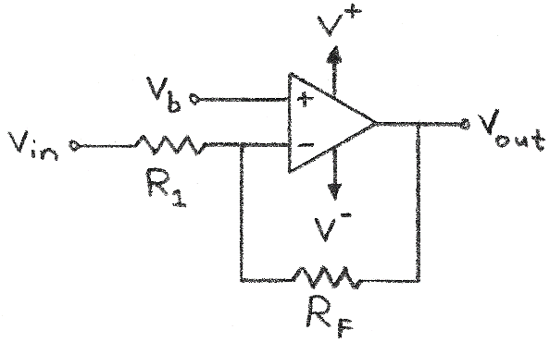
Inverting + Bias Amplifier
R1 | 1 | K |  | Op-Amp Characteristics
Rf | 2 | K |  | V+ | 10 | V (positive rail power)
Vb | -0.5 | V |  | V- | -10 | V (negative rail power)
Shift | -1.5 | V |  | Headroom | 0 | V (=0V for rail-to-rail)
Gain | -2 | X
Vin,max | 1 | (max V of signal)
 |  |  | Headroom: | Single Test Value:
t | Vin(+) | Vout | Vout | Vin: | 2.6 | V
0 | 0 | -1.5 | -1.5 | Vout: | -6.7 | V
Inverting + Bias
$$V_{out}=−\left(\frac{R_{F}}{R_{1}}\right)V_{in}+\left(1+\frac{R_{F}}{R_{1}}\right)V_{b}$$
$$A_{v}=\frac{V_{out}}{V_{in}}=−\frac{R_{F}}{R_{1}}$$
$$V_{out}=A_{v}V_{in}+\left(1−A_{v}\right)V_{b}$$
0.1 | 0.099833416647 | -1.6996668333 | -1.6996668333
0.2 | 0.1986693308 | -1.8973386616 | -1.8973386616
1.2 | 0.93203908597 | -3.3640781719 | -3.3640781719
2.2 | 0.80849640382 | -3.1169928076 | -3.1169928076
3.2 | -0.058374143428 | -1.3832517131 | -1.3832517131
4.2 | -0.87157577241 | 0.24315154483 | 0.24315154483
5.2 | -0.88345465572 | 0.26690931144 | 0.26690931144
6.2 | -0.083089402817 | -1.3338211944 | -1.3338211944
7.2 | 0.79366786385 | -3.0873357277 | -3.0873357277
8.2 | 0.94073055668 | -3.3814611134 | -3.3814611134
9.2 | 0.2228899141 | -1.9457798282 | -1.9457798282
10.2 | -0.69987468759 | -0.10025062481 | -0.10025062481
11.2 | -0.97917772915 | 0.4583554583 | 0.4583554583
12.2 | -0.35822928224 | -0.78354143553 | -0.78354143553
13.2 | 0.59207351471 | -2.6841470294 | -2.6841470294
14.2 | 0.99802665272 | -3.4960533054 | -3.4960533054
15.2 | 0.48639868885 | -2.4727973777 | -2.4727973777
16.2 | -0.4724219864 | -0.5551560272 | -0.5551560272
17.2 | -0.99690006604 | 0.49380013208 | 0.49380013208 | Single Test Values: Amp Configuration Summary:
18.2 | -0.60483282241 | -0.29033435519 | -0.29033435519 | V+: | 10 | V | V+: +10 V
19.2 | 0.34331492882 | -2.1866298576 | -2.1866298576 | V-: | -10 | V | V-: -10 V
20.2 | 0.97582051777 | -3.4516410355 | -3.4516410355 | Vin: | 2.6 | V | Vin: +2.6 V
21.2 | 0.71116122291 | -2.9223224458 | -2.9223224458 | Vb: | -0.5 | V | Vb: -0.5 V
22.2 | -0.20733642061 | -1.0853271588 | -1.0853271588 | R1: | 1 | K | R1: 1 K
23.2 | -0.93520991519 | 0.37041983039 | 0.37041983039 | RF: | 2 | K | RF: 2 K

Inv+Bias Vhalf
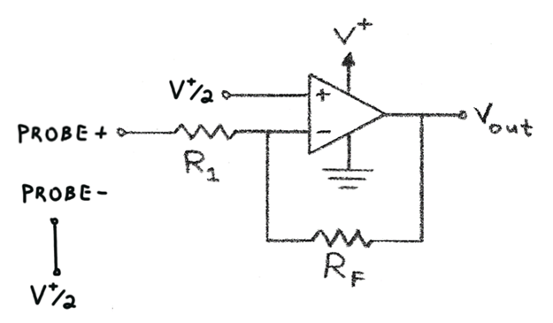
Inverting + Bias Amplifier (Probe Referenced to V+/2)
R1 | 1 | K |  | Op-Amp Characteristics
Rf | 5 | K |  | V+ | 5 | V (positive rail power)
Vb | 2.5 | V (= V+/2) |  | V- | 0 | V (negative rail power)
Shift | 15 | V |  | Headroom | 0 | V (=0V for rail-to-rail)
Gain | -5 | X
Vin,max | 0.1 | (max V swing of signal from probe-)
 |  |  | Headroom: | Single Test Value:
t | Vin(+) | Vout | Vout | Vin: | 2.6 | V
0 | 2.5 | 2.5 | 2.5 | Vout: | 2 | V
0.1 | 2.5099833417 | 2.4500832917 | 2.4500832917
0.2 | 2.5198669331 | 2.4006653346 | 2.4006653346
1.2 | 2.5932039086 | 2.033980457 | 2.033980457
Inverting + Bias
$$V_{out}=−\left(\frac{R_{F}}{R_{1}}\right)V_{in}+\left(1+\frac{R_{F}}{R_{1}}\right)V_{b}$$
$$A_{v}=\frac{V_{out}}{V_{in}}=−\frac{R_{F}}{R_{1}}$$
$$V_{out}=A_{v}V_{in}+\left(1−A_{v}\right)V_{b}$$
$$V_{out}=A_{v}{(V}_{in}−V_{b})+V_{b}$$
$$V_{out}=A_{v}{(V}_{in}−\frac{V^{+}}{2})+\frac{V^{+}}{2}$$
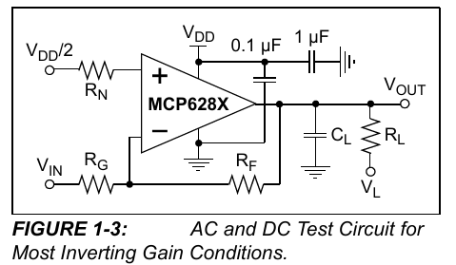
2.2 | 2.5808496404 | 2.0957517981 | 2.0957517981
3.2 | 2.4941625857 | 2.5291870717 | 2.5291870717
4.2 | 2.4128424228 | 2.9357878862 | 2.9357878862
5.2 | 2.4116545344 | 2.9417273279 | 2.9417273279
6.2 | 2.4916910597 | 2.5415447014 | 2.5415447014
7.2 | 2.5793667864 | 2.1031660681 | 2.1031660681
8.2 | 2.5940730557 | 2.0296347217 | 2.0296347217
9.2 | 2.5222889914 | 2.3885550429 | 2.3885550429
10.2 | 2.4300125312 | 2.8499373438 | 2.8499373438
11.2 | 2.4020822271 | 2.9895888646 | 2.9895888646
12.2 | 2.4641770718 | 2.6791146411 | 2.6791146411
13.2 | 2.5592073515 | 2.2039632426 | 2.2039632426
14.2 | 2.5998026653 | 2.0009866736 | 2.0009866736 |  |  |  |  |  | Source: https://ww1.microchip.com/downloads/en/DeviceDoc/20001811F.pdf
15.2 | 2.5486398689 | 2.2568006556 | 2.2568006556
16.2 | 2.4527578014 | 2.7362109932 | 2.7362109932 |  |  |  |  | Note: Probe is referenced to V+/2 (negative probe grounded to V+/2)
17.2 | 2.4003099934 | 2.998450033 | 2.998450033 | Single Test Values: Amp Configuration Summary:
18.2 | 2.4395167178 | 2.8024164112 | 2.8024164112 | V+: | 5 | V | V+: +5 V | Key Points
19.2 | 2.5343314929 | 2.3283425356 | 2.3283425356 | V-: | 0 | V | V-: 0 V | 1. The amplifier maintains its inverting characteristic, as the output is in opposite phase of the input.
20.2 | 2.5975820518 | 2.0120897411 | 2.0120897411 | Vin: | 2.6 | V | Vin: +2.6 V | 2. The Vdd/2 bias allows for maximum signal swing in a single-supply system.
21.2 | 2.5711161223 | 2.1444193885 | 2.1444193885 | Vb: | 2.5 | V | Vb: +2.5 V | 3. AC signals are amplified around the Vdd/2 reference point, effectively creating an AC-coupled amplifier.
22.2 | 2.4792663579 | 2.6036682103 | 2.6036682103 | R1: | 1 | K | R1: 1 K
23.2 | 2.4064790085 | 2.9676049576 | 2.9676049576 | RF: | 5 | K | RF: 5 K

Inv+Bias - Calculate R
Inverting + Bias Amplifier
R1 | 1 | K |  | Signal Characteristics |  |  | Op-Amp Characteristics
Rf | 2.5 | K |  | Vin,min | -2 | V | V+ | 12 | V (positive rail power)
Vb | 1.7142857143 | V |  | Vin,max | 0 | V | V- | -12 | V (negative rail power)
Shift | 6 | V |  | Vout@Vin,min | 11 | V | Headroom | 0 | V (=0V for rail-to-rail)
Gain | -2.5 | X |  | Vout@Vin,max | 6 | V

 |  |  | Headroom:
t | Vin(+) | Vout | Vout |  |  |  | Single Test Value:
0 | -1 | 8.5 | 8.5 |  |  |  | Vin: | 0 | V
0.1 | -0.90016658335 | 8.2504164584 | 8.2504164584 |  |  |  | Vout: | 6 | V
0.2 | -0.8013306692 | 8.003326673 | 8.003326673
1.2 | -0.067960914033 | 6.1699022851 | 6.1699022851
2.2 | -0.19150359618 | 6.4787589905 | 6.4787589905
3.2 | -1.0583741434 | 8.6459353586 | 8.6459353586
4.2 | -1.8715757724 | 10.678939431 | 10.678939431
5.2 | -1.8834546557 | 10.708636639 | 10.708636639
Inverting + Bias
$$V_{out}=−\left(\frac{R_{F}}{R_{1}}\right)V_{in}+\left(1+\frac{R_{F}}{R_{1}}\right)V_{b}$$
$$A_{v}=\frac{V_{out}}{V_{in}}=−\frac{R_{F}}{R_{1}}$$
$$V_{out}=A_{v}V_{in}+\left(1−A_{v}\right)V_{b}$$
6.2 | -1.0830894028 | 8.707723507 | 8.707723507
7.2 | -0.20633213615 | 6.5158303404 | 6.5158303404
8.2 | -0.05926944332 | 6.1481736083 | 6.1481736083
9.2 | -0.7771100859 | 7.9427752147 | 7.9427752147
10.2 | -1.6998746876 | 10.249686719 | 10.249686719
11.2 | -1.9791777292 | 10.947944323 | 10.947944323
12.2 | -1.3582292822 | 9.3955732056 | 9.3955732056
13.2 | -0.40792648529 | 7.0198162132 | 7.0198162132
14.2 | -0.0019733472836 | 6.0049333682 | 6.0049333682
15.2 | -0.51360131115 | 7.2840032779 | 7.2840032779
16.2 | -1.4724219864 | 9.681054966 | 9.681054966
17.2 | -1.996900066 | 10.992250165 | 10.992250165
18.2 | -1.6048328224 | 10.012082056 | 10.012082056
19.2 | -0.65668507118 | 7.641712678 | 7.641712678
20.2 | -0.024179482233 | 6.0604487056 | 6.0604487056
21.2 | -0.28883877709 | 6.7220969427 | 6.7220969427
22.2 | -1.2073364206 | 9.0183410515 | 9.0183410515
23.2 | -1.9352099152 | 10.838024788 | 10.838024788

Inv + Bias LPF
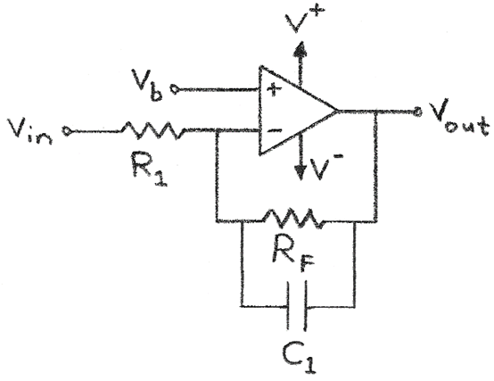
Inverting + Bias Amplifier - Low Pass Filter
R1 | 1 | K |  |  | Op-Amp Characteristics
Rf | 33 | K |  |  | V+ | 5 | V (positive rail power)
C1 | 0.021 | uF |  |  | V- | -5 | V (negative rail power)
Vb | 0.5 | V |  |  | Headroom | 0 | V (=0V for rail-to-rail)
Shift | 17 | V
Gain | -33 | X
Xc | 3300 | Ohm |  |  | Single Test Value:
Av(at f,signal) | -3 | X |  |  | Vin: | 1 | V
Vin,max | 1 | (max V of signal) |  |  | Vout: | -3.2836227277 | V
f,signal | 2296.6081254 | Hz
period,sig | 0.00043542474179 | sec |  |  | Time Constant:
fc | 229.66081254 | Hz |  |  | t: | 0.693 | msec
# Periods | 4 | (to display)
Inverting + Bias LPF
$$V_{out}=−\left(\frac{R_{F}}{R_{1}}\right)V_{in}+\left(1+\frac{R_{F}}{R_{1}}\right)V_{b}$$
$$A_{v}=\frac{V_{out}}{V_{in}}=−\frac{R_{F}}{R_{1}}$$
$$V_{out}=A_{v}V_{in}+\left(1−A_{v}\right)V_{b}$$
Cutoff Frequency: $f_{c}=\frac{1}{2πR_{F}C_{1}}$
$V_{out}=$ $V_{in}\frac{A_{V}}{\sqrt{1+{\left(\frac{f}{f_{c}}\right)}^{2}}}+\left(1−\frac{A_{v}}{\sqrt{1+{\left(\frac{f}{f_{c}}\right)}^{2}}}\right)V_{b}$
Capacitive Reactance
Reactance of C₁: $X_{c}=\frac{1}{2π{fC}_{1}}$
$$V_{out}=−\left(\frac{R_{F}||X_{c}}{R_{1}}\right)V_{in}+\left(1+\frac{R_{F}||X_{c}}{R_{1}}\right)V_{b}$$
$$A_{v}=\frac{V_{out}}{V_{in}}=−\frac{R_{F}||X_{c}}{R_{1}}$$
$$V_{out}=A_{v}V_{in}+\left(1−A_{v}\right)V_{b}$$
dt | 6.9667958686E-05 | sec

 |  |  | Headroom:
t (sec) | Vin(+) | Vout | Vout | Using Xc
0 | 0 | 2.1418113638 | 2.1418113638 | 2
6.9667958686E-05 | 0.8443279255 | -0.63064300196 | -0.63064300196 | -0.53298377651
0.00013933591737 | 0.90482705247 | -0.82929931026 | -0.82929931026 | -0.7144811574
0.00020900387606 | 0.12533323356 | 1.7302643096 | 1.7302643096 | 1.6240002993
0.00027867183474 | -0.77051324278 | 4.6718861598 | 4.6718861598 | 4.3115397283
0.00034833979343 | -0.9510565163 | 5.2647221561 | 5 | 4.8531695489
0.00041800775212 | -0.24868988716 | 2.9584151295 | 2.9584151295 | 2.7460696615
0.0004876757108 | 0.68454710593 | -0.10598307136 | -0.10598307136 | -0.053641317786
0.00055734366949 | 0.98228725073 | -1.0836493778 | -1.0836493778 | -0.94686175219
0.00062701162817 | 0.36812455268 | 0.93302921603 | 0.93302921603 | 0.89562634195
0.00069667958686 | -0.58778525229 | 4.0718763773 | 4.0718763773 | 3.7633557569
0.00076634754555 | -0.99802672843 | 5.4189546122 | 5 | 4.9940801853
0.00083601550423 | -0.4817536741 | 3.7237086773 | 3.7237086773 | 3.4452610223
0.00090568346292 | 0.4817536741 | 0.55991405042 | 0.55991405042 | 0.55473897769
0.0009753514216 | 0.99802672843 | -1.1353318845 | -1.1353318845 | -0.99408018528
0.0010450193803 | 0.58778525229 | 0.21174635042 | 0.21174635042 | 0.23664424312
0.001114687339 | -0.36812455268 | 3.3505935117 | 3.3505935117 | 3.1043736581
0.0011843552977 | -0.98228725073 | 5.3672721055 | 5 | 4.9468617522
0.0012540232563 | -0.68454710593 | 4.3896057991 | 4.3896057991 | 4.0536413178
0.001323691215 | 0.24868988716 | 1.3252075982 | 1.3252075982 | 1.2539303385 | Single Test Values: Amp Configuration Summary:
0.0013933591737 | 0.9510565163 | -0.98109942838 | -0.98109942838 | -0.85316954889 | V+: | 5 | V | V+: +5 V
0.0014630271324 | 0.77051324278 | -0.38826343212 | -0.38826343212 | -0.31153972833 | V-: | -5 | V | V-: -5 V
0.0015326950911 | -0.12533323356 | 2.5533584181 | 2.5533584181 | 2.3759997007 | Vin: | 1 | V | Vin: +1 V
0.0016023630498 | -0.90482705247 | 5.112922038 | 5 | 4.7144811574 | R1: | 1 | K | R1: 1 K
0.0016720310085 | -0.8443279255 | 4.9142657297 | 4.9142657297 | 4.5329837765 | RF: | 33 | K | RF: 33 K
0.0017416989672 | -1.8743687158E-14 | 2.1418113638 | 2.1418113638 | 2 | C1: | 0.021 | uF | C1: 0.021 uF
 |  |  |  |  | f,signal: | 2297 | Hz | f,signal: 2297 Hz
Bode Plot:
 | Theoretical (headroom not considered)
Inverting + Bias LPF Bode Plot
Frequency (Hz) | Gain,dB
1 | 30.370196458
2 | 30.36994945
3 | 30.369537801
4 | 30.368961558
5 | 30.368220787
6 | 30.367315571
7 | 30.366246014
8 | 30.365012236
9 | 30.363614379
10 | 30.3620526
20 | 30.337467086
30 | 30.296798009
40 | 30.240493624
50 | 30.16915859
60 | 30.083533138
70 | 29.984468952
80 | 29.872903284
90 | 29.749832822
100 | 29.61628857
200 | 27.919154351
300 | 26.046435411
400 | 24.313441719
500 | 22.781260017
600 | 21.435208117
700 | 20.246065717
800 | 19.186288452
900 | 18.233196815
1000 | 17.368788623
2000 | 11.514524928
3000 | 8.024214303
4000 | 5.5365239154
5000 | 3.6034637166
6000 | 2.0226334797
7000 | 0.68538366294
8000 | -0.47336066309
9000 | -1.4956604892
10000 | -2.4102733046
20000 | -8.429155799
30000 | -11.950662865
40000 | -14.449326251
50000 | -16.387474973
60000 | -17.971071898
70000 | -19.30999081
80000 | -20.469818793
90000 | -21.49286173
100000 | -22.408006168
200000 | -28.428588902
300000 | -31.950410901
400000 | -34.44918452
500000 | -36.387384265
600000 | -37.971008906
700000 | -39.30994453
800000 | -40.46978336
900000 | -41.492833733
1000000 | -42.407983491

NonInv
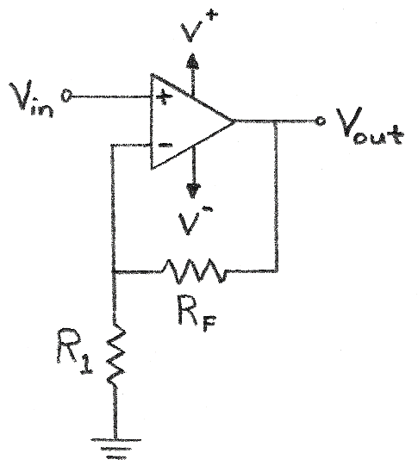
Non-Inverting Amplifier
A non-inverting amplifier has gain>0, and a shift of 0V. |  |  |  | Op-Amp Characteristics
R1 | 1 | K |  | V+ | 5 | V (positive rail power)
Rf | 7 | K |  | V- | 0 | V (negative rail power)
Shift | 0 | V |  | Headroom | 1.2 | V (=0V for rail-to-rail)
Gain | 8 | X
Vin,max | 1 | (max V of signal)
 |  |  | Headroom: | Single Test Value:
t | Vin(+) | Vout | Vout | Vin: | 0.6 | V
0 | 0 | 0 | 1.2 | Vout: | 3.8 | V
0.1 | 0.099833416647 | 0.79866733317 | 1.2
0.2 | 0.1986693308 | 1.5893546464 | 1.5893546464
Non-Inverting Amplifier
V_{out} = $\left(1+\frac{R_{F}}{R_{1}}\right)$V_{in}
1.2 | 0.93203908597 | 7.4563126877 | 3.8
2.2 | 0.80849640382 | 6.4679712306 | 3.8
3.2 | -0.058374143428 | -0.46699314742 | 1.2
4.2 | -0.87157577241 | -6.9726061793 | 1.2
5.2 | -0.88345465572 | -7.0676372458 | 1.2
6.2 | -0.083089402817 | -0.66471522254 | 1.2
7.2 | 0.79366786385 | 6.3493429108 | 3.8
8.2 | 0.94073055668 | 7.5258444534 | 3.8
9.2 | 0.2228899141 | 1.7831193128 | 1.7831193128
10.2 | -0.69987468759 | -5.5989975007 | 1.2
11.2 | -0.97917772915 | -7.8334218332 | 1.2
12.2 | -0.35822928224 | -2.8658342579 | 1.2
13.2 | 0.59207351471 | 4.7365881177 | 3.8
14.2 | 0.99802665272 | 7.9842132217 | 3.8
15.2 | 0.48639868885 | 3.8911895108 | 3.8
16.2 | -0.4724219864 | -3.7793758912 | 1.2
17.2 | -0.99690006604 | -7.9752005283 | 1.2 | Single Test Values: Amp Configuration Summary:
18.2 | -0.60483282241 | -4.8386625793 | 1.2 | V+: | 5 | V | V+: +5 V
19.2 | 0.34331492882 | 2.7465194306 | 2.7465194306 | V-: | 0 | V | V-: 0 V
20.2 | 0.97582051777 | 7.8065641421 | 3.8 | Vin: | 0.6 | V | Vin: +0.6 V
21.2 | 0.71116122291 | 5.6892897832 | 3.8 | R1: | 1 | K | R1: 1 K
22.2 | -0.20733642061 | -1.6586913649 | 1.2 | RF: | 7 | K | RF: 7 K
23.2 | -0.93520991519 | -7.4816793216 | 1.2

NonInv CMC
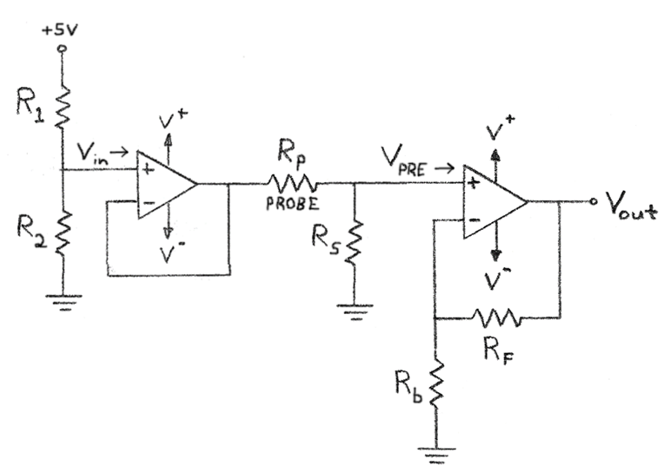
Non-Inverting Amplifier: Resistive Sensor
Vs | 5 | V |  | Op-Amp Characteristics
R1 | 10 | K |  | V+ | 5 | V (positive rail power)
R2 | 1 | K |  | V- | 0 | V (negative rail power)
Vin | 0.45454545455 | V |  | Headroom | 0 | V (=0V for rail-to-rail)
Range of Probe Resistance (high to low):
Rp_high | 2100 | K
Rp_low | 145 | K |  | Single Test Value:
Rs | 1000 | K |  | Vin: | 0.6 | V
Vpre,min | 0.14662756598 | (min V of signal) |  | Vout: | 3.96 | V
Vpre,max | 0.39698292973 | (max V of signal)
Rb | 10 | K
Rf | 56 | K
Shift | 0 | V
Gain | 6.6 | X

 |  |  | Headroom:
t | Vin(+) | Vout | Vout
0 | 0.27180524786 | 1.7939146359 | 1.7939146359
0.1 | 0.28430216353 | 1.8763942793 | 1.8763942793
Non-Inverting Amplifier
V_{out} = $\left(1+\frac{R_{F}}{R_{1}}\right)$V_{in}
0.2 | 0.29667421415 | 1.9580498134 | 1.9580498134
1.2 | 0.38847574006 | 2.5639398844 | 2.5639398844
2.2 | 0.37301095349 | 2.4618722931 | 2.4618722931
3.2 | 0.2644981079 | 1.7456875122 | 1.7456875122
4.2 | 0.16270341309 | 1.0738425264 | 1.0738425264
5.2 | 0.16121644201 | 1.0640285173 | 1.0640285173
6.2 | 0.26140430903 | 1.7252684396 | 1.7252684396
7.2 | 0.37115475123 | 2.4496213581 | 2.4496213581
8.2 | 0.38956371821 | 2.5711205402 | 2.5711205402 | Single Test Values: Amp Configuration Summary:
9.2 | 0.29970609062 | 1.9780601981 | 1.9780601981 | V+: | 5 | V | V+: +5 V
10.2 | 0.18419655686 | 1.2156972753 | 1.2156972753 | V-: | 0 | V | V-: 0 V
11.2 | 0.14923404958 | 0.98494472722 | 0.98494472722 | Vin: | 0.6 | V | Vin: +0.6 V
12.2 | 0.22696293673 | 1.4979553824 | 1.4979553824 | R1: | 10 | K | R1: 10 K
13.2 | 0.34591963793 | 2.2830696103 | 2.2830696103 | RF: | 56 | K | RF: 56 K
14.2 | 0.3967359107 | 2.6184570106 | 2.6184570106
15.2 | 0.3326915082 | 2.1957639541 | 2.1957639541
16.2 | 0.21266855873 | 1.4036124876 | 1.4036124876
17.2 | 0.14701560853 | 0.97030301629 | 0.97030301629
18.2 | 0.19609367723 | 1.2942182697 | 1.2942182697
19.2 | 0.3147806148 | 2.0775520577 | 2.0775520577
20.2 | 0.3939561982 | 2.6001109081 | 2.6001109081
21.2 | 0.36082676118 | 2.3814566238 | 2.3814566238
22.2 | 0.24585135536 | 1.6226189454 | 1.6226189454
23.2 | 0.15473783861 | 1.0212697348 | 1.0212697348

 |  |  | Headroom:
R | Vin(+) | Vout | Vout
2100 | 0.14662756598 | 0.96774193548 | 0.96774193548
2021.8 | 0.15042208437 | 0.99278575683 | 0.99278575683
Vout vs. Rprobe
1943.6 | 0.15441821394 | 1.019160212 | 1.019160212
1865.4 | 0.15863246128 | 1.0469742444 | 1.0469742444
1787.2 | 0.16308318547 | 1.0763490241 | 1.0763490241
1709 | 0.16779086547 | 1.1074197121 | 1.1074197121
1630.8 | 0.17277841514 | 1.1403375399 | 1.1403375399
1552.6 | 0.17807155627 | 1.1752722714 | 1.1752722714
1474.4 | 0.18369926226 | 1.2124151309 | 1.2124151309
1396.2 | 0.18969428868 | 1.2519823053 | 1.2519823053
1318 | 0.19609381128 | 1.2942191544 | 1.2942191544
1239.8 | 0.20294019758 | 1.339405304 | 1.339405304
1161.6 | 0.21028194603 | 1.3878608438 | 1.3878608438
1083.4 | 0.21817483659 | 1.4399539215 | 1.4399539215
1005.2 | 0.22668335056 | 1.4961101137 | 1.4961101137
927 | 0.23588243619 | 1.5568240789 | 1.5568240789
848.8 | 0.24585972228 | 1.622674167 | 1.622674167
770.6 | 0.25671831839 | 1.6943409014 | 1.6943409014
692.4 | 0.26858039148 | 1.7726305838 | 1.7726305838
614.2 | 0.28159178203 | 1.8585057614 | 1.8585057614
536 | 0.2959280303 | 1.953125 | 1.953125
457.8 | 0.31180234226 | 2.0578954589 | 2.0578954589
379.6 | 0.32947626453 | 2.1745433459 | 2.1745433459
301.4 | 0.3492742082 | 2.3052097741 | 2.3052097741
223.2 | 0.37160354361 | 2.4525833878 | 2.4525833878
145 | 0.39698292973 | 2.6200873362 | 2.6200873362

NonInv Thermocouple
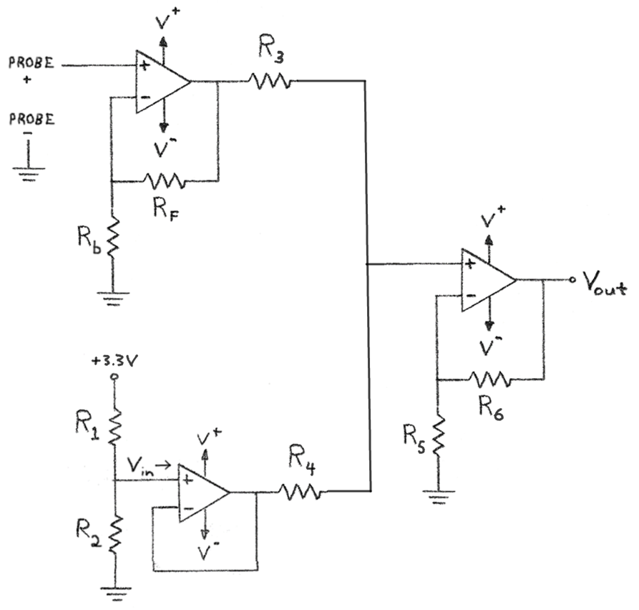
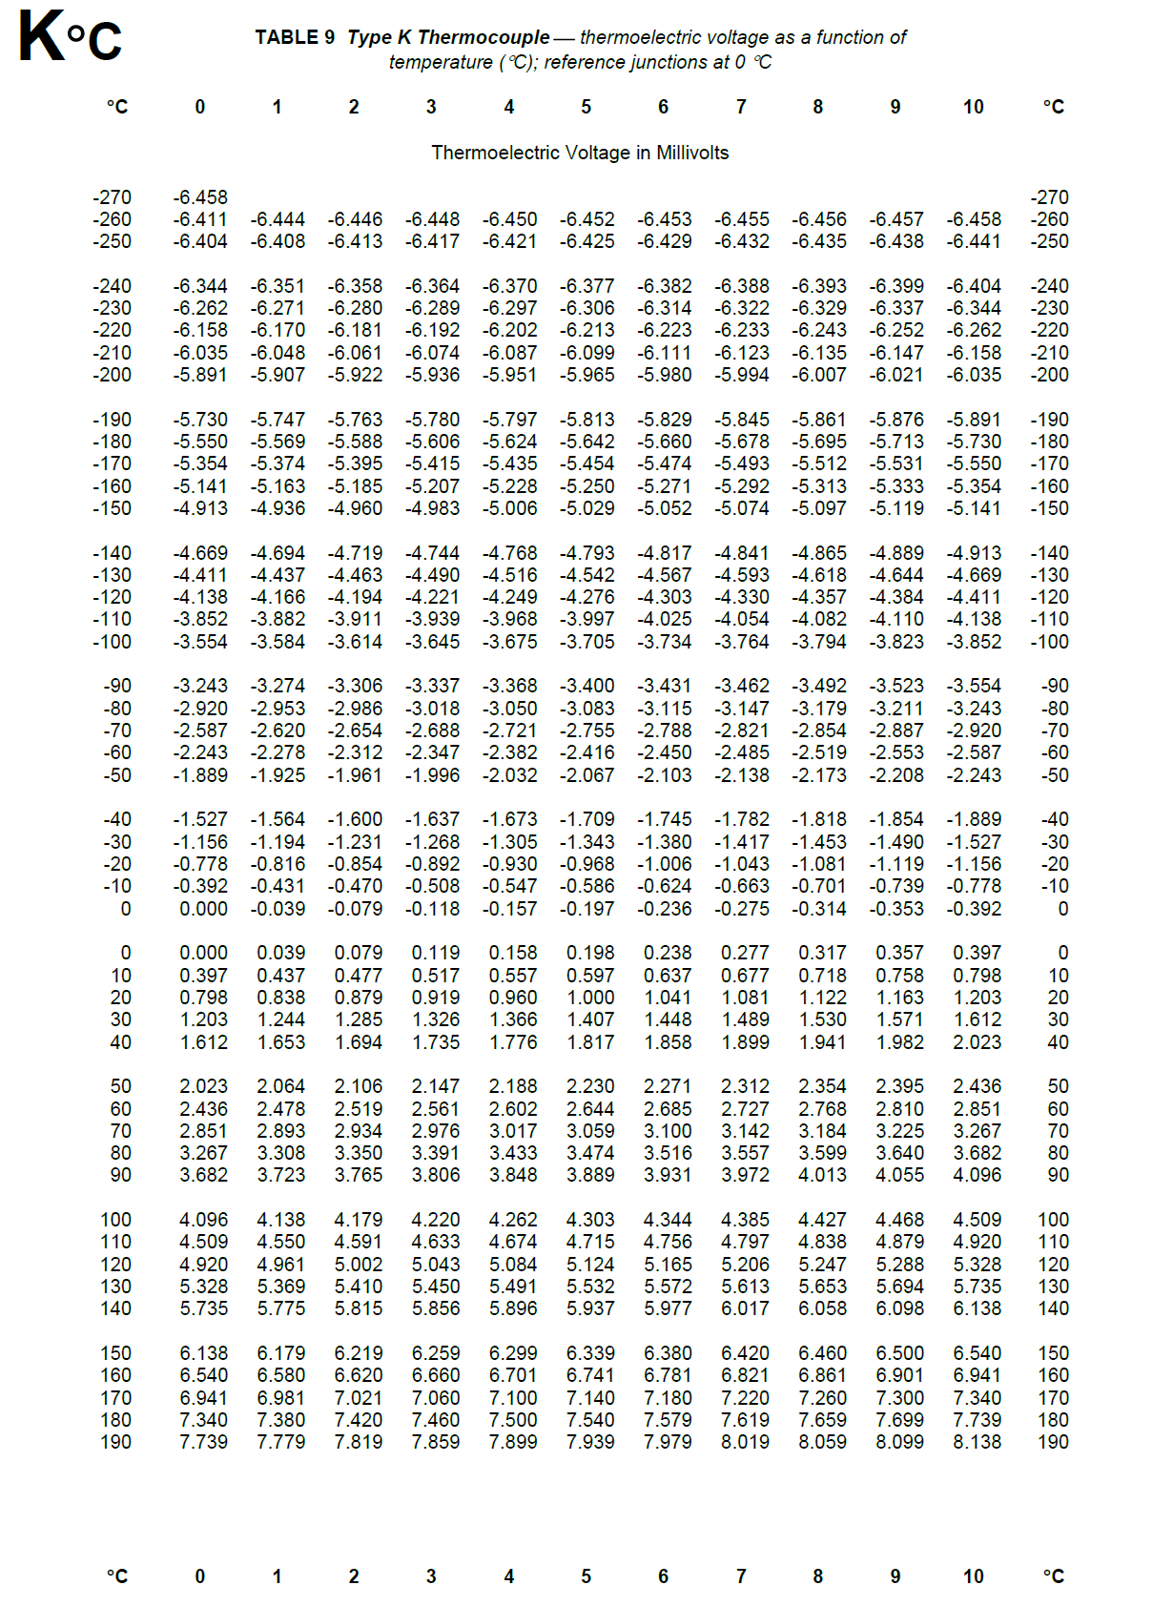
Non-Inverting Amplifier: Gain then Shift
Vs | 3.3 | V |  | Op-Amp Characteristics
R1 | 5 | K |  | V+ | 5 | V (positive rail power)
R2 | 1 | K |  | V- | -5 | V (negative rail power)
Vb | 0.55 | V |  | Headroom | 1.3 | V (=0V for rail-to-rail) |  | TdegC | mV | V
R3 | 1 | K |  |  |  |  |  | -100 | -3.554 | -0.003554
R4 | 1 | K |  |  |  |  |  | -90 | -3.243 | -0.003243
R5 | 1 | K |  | Single Test Value: |  |  |  | -80 | -2.92 | -0.00292
R6 | 1 | K |  | Vin: | -0.00039 | V |  | -70 | -2.587 | -0.002587
Vpre,min | -0.000392 | (min V of signal) |  | Vout: | 0.15961 | V |  | -60 | -2.243 | -0.002243
Vpre,max | 0.001203 | (max V of signal) |  | T: | -12.629615766 | °C |  | -50 | -1.889 | -0.001889
Rb | 1 | K |  |  |  |  |  | -40 | -1.527 | -0.001527
Rf | 1000 | K |  |  |  |  |  | -30 | -1.156 | -0.001156
Shift | 0.55 | V (separate from gain - next stage) |  |  |  |  |  | -20 | -0.778 | -0.000778
Gain | 1001 | X |  |  |  |  |  | -10 | -0.392 | -0.000392
 |  |  |  |  |  |  |  | 0 | 0 | 0
 |  |  | Headroom: |  |  |  |  | 10 | 0.397 | 0.000397
t | Vin(+) | Vout | Vout |  |  |  |  | 20 | 0.798 | 0.000798
0 | 0.0004055 | 0.9559055 | 0.9559055 |  |  |  |  | 30 | 1.203 | 0.001203
0.1 | 0.00048511714978 | 1.0356022669 | 1.0356022669 |  |  |  |  | 40 | 1.612 | 0.001612
Non-Inverting Amplifier
V_{out} = $\left(1+\frac{R_{F}}{R_{b}}\right)$V_{in}
0.2 | 0.00056393879131 | 1.1145027301 | 1.1145027301 |  |  |  |  | 50 | 2.023 | 0.002023
1.2 | 0.0011488011711 | 1.6999499722 | 1.6999499722 |  |  |  |  | 60 | 2.436 | 0.002436
2.2 | 0.001050275882 | 1.6013261579 | 1.6013261579 |  |  |  |  | 70 | 2.851 | 0.002851
3.2 | 0.00035894662062 | 0.90930556724 | 0.90930556724 |  |  |  |  | 80 | 3.267 | 0.003267
4.2 | -0.0002895816785 | 0.26012873982 | 0.26012873982 |  |  |  |  | 90 | 3.682 | 0.003682
Summing Amplifier (Non-Inverting)
$$V_{out}=\left(1+\frac{R_{6}}{R_{5}}\right)\left[V_{1}\left(\frac{R_{4}}{R_{3}+R_{4}}\right)+V_{2}\left(\frac{R_{3}}{R_{3}+R_{4}}\right)\right]$$
If all resistor values equal:
$$V_{out}=V_{1}+V_{2}$$
5.2 | -0.00029905508794 | 0.25064585698 | 0.25064585698 |  |  |  |  | 100 | 4.096 | 0.004096
6.2 | 0.00033923620125 | 0.88957543745 | 0.88957543745
7.2 | 0.0010384501214 | 1.5894885715 | 1.5894885715 |  |  |  |  |  | Slope: | 25834.982571
8.2 | 0.001155732619 | 1.7068883516 | 1.7068883516 | Single Test Values: Amp Configuration Summary: |  |  |  |  | Intercept: | -2.5539725628
9.2 | 0.00058325470649 | 1.1338379612 | 1.1338379612 | V+: | 5 | V | V+: +5 V
10.2 | -0.00015265006336 | 0.39719728658 | 0.39719728658 | V-: | -5 | V | V-: -5 V
11.2 | -0.000375394239 | 0.17423036676 | 0.17423036676 | Vin: | -0.00039 | V | Vin: -0.00039 V
12.2 | 0.00011981214742 | 0.66993195956 | 0.66993195956 | R1: | 5 | K | R1: 5 K
K-Type Thermocouple - Voltage vs. Temperature
13.2 | 0.00087767862798 | 1.4285563066 | 1.4285563066 | R2: | 1 | K | R2: 1 K
14.2 | 0.0012014262555 | 1.7526276818 | 1.7526276818 | R3: | 1 | K | R3: 1 K
15.2 | 0.00079340295436 | 1.3441963573 | 1.3441963573 | R4: | 1 | K | R4: 1 K
16.2 | 2.8743465847E-05 | 0.57877220931 | 0.57877220931 | R5: | 1 | K | R5: 1 K
17.2 | -0.00038952780267 | 0.16008266953 | 0.16008266953 | R6: | 1 | K | R6: 1 K
18.2 | -7.6854175869E-05 | 0.47306896996 | 0.47306896996 | Rb: | 1 | K | Rb: 1 K
19.2 | 0.00067929365573 | 1.2299729494 | 1.2299729494 | RF: | 1000 | K | RF: 1000 K
20.2 | 0.0011837168629 | 1.7349005798 | 1.7349005798
21.2 | 0.00097265107527 | 1.5236237263 | 1.5236237263
22.2 | 0.00024014920457 | 0.79038935377 | 0.79038935377
23.2 | -0.00034032990737 | 0.20932976272 | 0.20932976272

 |  |  |  |  |  |  |  |  |  |  | Source:
 |  |  |  |  |  |  |  |  |  |  | https://www.pyromation.com/Downloads/Data/emfk_f.pdf

NonInv LPF
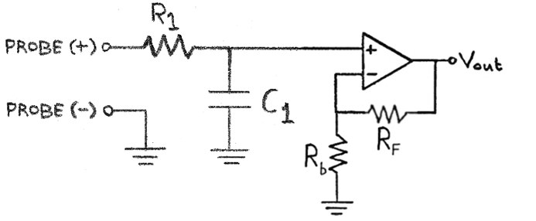
Non-Inverting Amplifier - Low Pass Filter
R1 | 1 | K |  |  | Op-Amp Characteristics
C1 | 0.1 | uF |  |  | V+ | 5 | V (positive rail power)
Rb | 1 | K |  |  | V- | -5 | V (negative rail power)
Rf | 1 | K |  |  | Headroom | 1.2 | V (=0V for rail-to-rail)
Shift | 0 | V
Gain | 2 | X |  |  | Single Test Value:
Xc | 1591.5494309 | Ohm |  |  | Vin: | 1 | V
Vin,max | 1 | (max V of signal) |  |  | Vout: | 1.6934660319 | V
f,signal | 1000 | Hz
period,sig | 0.001 | sec |  |  | Time Constant of filter:
Non-Inverting Amplifying LPF
Cutoff Frequency: $f_{c}=\frac{1}{2πR_{1}C_{1}}$
Transfer Function: $V_{out}=$ $V_{in}\frac{1+\left({R_{F}}/{R_{b}}\right)}{\sqrt{1+{\left(\frac{f}{f_{c}}\right)}^{2}}}$
Pass-Region Gain:${ A}_{v}=1+\left({R_{F}}/{R_{b}}\right)$
Stop-Region Gain:${ A}_{v}=\frac{1+\left({R_{F}}/{R_{b}}\right)}{\sqrt{1+{\left(\frac{f}{f_{c}}\right)}^{2}}}$
→ ${Gain}_{dB}=20×log\frac{1+\left({R_{F}}/{R_{b}}\right)}{\sqrt{1+{\left(\frac{f}{f_{c}}\right)}^{2}}}$
Transfer Function in Terms of Capacitive Reactance:
Reactance of C₁: $X_{c}=\frac{1}{2π{fC}_{1}}$
$V_{out}=$ $V_{in}\left(1+\frac{R_{F}}{R_{b}}\right)\frac{X_{c}}{\sqrt{{R_{1}}^{2}+{X_{c}}^{2}}}$
fc | 1591.5494309 | Hz |  |  | t: | 0.1 | msec
# Periods | 4 | (to display) |  |  | 1/t: | 10000 | Hz
dt | 0.00016 | sec

 |  |  | Headroom:
t (sec) | Vin(+) | Vout | Vout | using Xc
0 | 0 | 0 | 0 | 0
0.00016 | 0.8443279255 | 1.4298406616 | 1.4298406616 | 1.4298406616
0.00032 | 0.90482705247 | 1.5322938781 | 1.5322938781 | 1.5322938781
0.00048 | 0.12533323356 | 0.21224757371 | 0.21224757371 | 0.21224757371
0.00064 | -0.77051324278 | -1.3048380038 | -1.3048380038 | -1.3048380038
0.0008 | -0.9510565163 | -1.6105819048 | -1.6105819048 | -1.6105819048
0.00096 | -0.24868988716 | -0.4211478764 | -0.4211478764 | -0.4211478764
0.00112 | 0.68454710593 | 1.1592572711 | 1.1592572711 | 1.1592572711
0.00128 | 0.98228725073 | 1.6634700927 | 1.6634700927 | 1.6634700927
0.00144 | 0.36812455268 | 0.62340642549 | 0.62340642549 | 0.62340642549
0.0016 | -0.58778525229 | -0.99539435883 | -0.99539435883 | -0.99539435883
0.00176 | -0.99802672843 | -1.6901243636 | -1.6901243636 | -1.6901243636
0.00192 | -0.4817536741 | -0.81583348285 | -0.81583348285 | -0.81583348285
0.00208 | 0.4817536741 | 0.81583348285 | 0.81583348285 | 0.81583348285
0.00224 | 0.99802672843 | 1.6901243636 | 1.6901243636 | 1.6901243636 |  |  |  |  | https://www.electronics-tutorials.ws/filter/filter_5.html
0.0024 | 0.58778525229 | 0.99539435883 | 0.99539435883 | 0.99539435883
0.00256 | -0.36812455268 | -0.62340642549 | -0.62340642549 | -0.62340642549
0.00272 | -0.98228725073 | -1.6634700927 | -1.6634700927 | -1.6634700927
0.00288 | -0.68454710593 | -1.1592572711 | -1.1592572711 | -1.1592572711
0.00304 | 0.24868988716 | 0.4211478764 | 0.4211478764 | 0.4211478764 | Single Test Values: Amp Configuration Summary:
0.0032 | 0.9510565163 | 1.6105819048 | 1.6105819048 | 1.6105819048 | V+: | 5 | V | V+: +5 V
0.00336 | 0.77051324278 | 1.3048380038 | 1.3048380038 | 1.3048380038 | V-: | -5 | V | V-: -5 V
0.00352 | -0.12533323356 | -0.21224757371 | -0.21224757371 | -0.21224757371 | Vin: | 1 | V | Vin: +1 V
0.00368 | -0.90482705247 | -1.5322938781 | -1.5322938781 | -1.5322938781 | R1: | 1 | K | R1: 1 K
0.00384 | -0.8443279255 | -1.4298406616 | -1.4298406616 | -1.4298406616 | RF: | 0.1 | K | RF: 0.1 K
0.004 | -9.8011876393E-16 | -1.659797834E-15 | -1.659797834E-15 | -1.659797834E-15 | C1: | 1 | uF | C1: 1 uF
 |  |  |  |  | f,signal: | 1000 | Hz | f,signal: 1000 Hz
Bode Plot:
 | Theoretical (headroom not considered)
Non-Inverting LPF Bode Plot
Frequency (Hz) | Gain,dB | Xc | Gain,dB (Xc)
1 | 6.0205981988 | 1591549.4309 | 6.0205981988
2 | 6.0205930552 | 795774.71546 | 6.0205930552
3 | 6.0205844826 | 530516.47697 | 6.0205844826
4 | 6.020572481 | 397887.35773 | 6.020572481
5 | 6.0205570503 | 318309.88618 | 6.0205570503
6 | 6.0205381908 | 265258.23849 | 6.0205381908
7 | 6.0205159023 | 227364.20442 | 6.0205159023
8 | 6.020490185 | 198943.67886 | 6.020490185
9 | 6.0204610389 | 176838.82566 | 6.0204610389
10 | 6.0204284641 | 159154.94309 | 6.0204284641
20 | 6.0199141571 | 79577.471546 | 6.0199141571
30 | 6.019057114 | 53051.647697 | 6.019057114
40 | 6.0178575379 | 39788.735773 | 6.0178575379
50 | 6.0163157124 | 31830.988618 | 6.0163157124
60 | 6.014432002 | 26525.823849 | 6.014432002
70 | 6.0122068517 | 22736.420442 | 6.0122068517
80 | 6.0096407865 | 19894.367886 | 6.0096407865
90 | 6.006734411 | 17683.882566 | 6.006734411
100 | 6.0034884089 | 15915.494309 | 6.0034884089
200 | 5.9525547378 | 7957.7471546 | 5.9525547378
300 | 5.8689706461 | 5305.1647697 | 5.8689706461
400 | 5.7545912914 | 3978.8735773 | 5.7545912914
500 | 5.6118243054 | 3183.0988618 | 5.6118243054
600 | 5.443473788 | 2652.5823849 | 5.443473788
700 | 5.252578563 | 2273.6420442 | 5.252578563
800 | 5.0422613235 | 1989.4367886 | 5.0422613235
900 | 4.8156003381 | 1768.3882566 | 4.8156003381
1000 | 4.5755297971 | 1591.5494309 | 4.5755297971
2000 | 1.905856293 | 795.77471546 | 1.905856293
3000 | -0.56243151716 | 530.51647697 | -0.56243151716
4000 | -2.6224616455 | 397.88735773 | -2.6224616455
5000 | -4.3415374691 | 318.30988618 | -4.3415374691
6000 | -5.8013290138 | 265.25823849 | -5.8013290138
7000 | -7.0638542047 | 227.36420442 | -7.0638542047
8000 | -8.1733704495 | 198.94367886 | -8.1733704495
9000 | -9.1615797815 | 176.83882566 | -9.1615797815
10000 | -10.051635353 | 159.15494309 | -10.051635353
20000 | -15.991012673 | 79.577471546 | -15.991012673
30000 | -19.497628499 | 53.051647697 | -19.497628499
40000 | -21.991067349 | 39.788735773 | -21.991067349
50000 | -23.926795636 | 31.830988618 | -23.926795636
60000 | -25.509077167 | 26.525823849 | -25.509077167
70000 | -26.847202737 | 22.736420442 | -26.847202737
80000 | -28.00651573 | 19.894367886 | -28.00651573
90000 | -29.029205555 | 17.683882566 | -29.029205555
100000 | -29.944097395 | 15.915494309 | -29.944097395
200000 | -35.963872379 | 7.9577471546 | -35.963872379
300000 | -39.485544778 | 5.3051647697 | -39.485544778
400000 | -41.984266035 | 3.9788735773 | -41.984266035
500000 | -43.922441544 | 3.1830988618 | -43.922441544
600000 | -45.506053019 | 2.6525823849 | -45.506053019
700000 | -46.844980705 | 2.2736420442 | -46.844980705
800000 | -48.004814382 | 1.9894367886 | -48.004814382
900000 | -49.027861224 | 1.7683882566 | -49.027861224
1000000 | -49.943008455 | 1.5915494309 | -49.943008455

NonInv LPF (Unity)
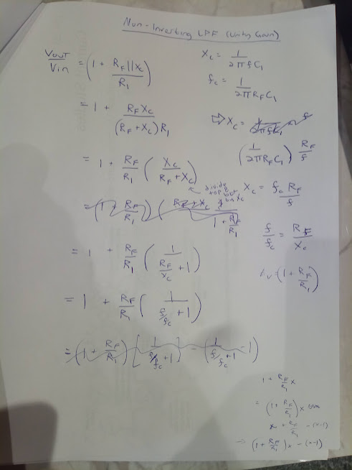
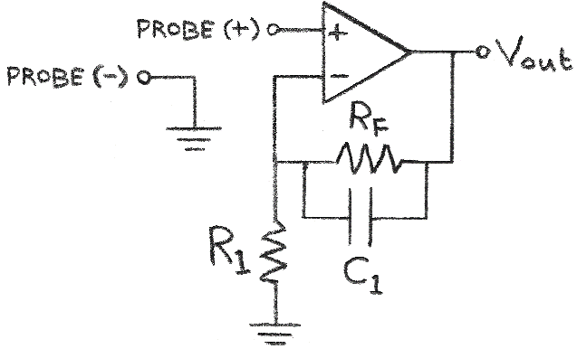
Non-Inverting Amplifier - Low Pass Filter (Unity Gain)
R1 | 1 | K |  |  | Op-Amp Characteristics
Rf | 1 | K |  |  | V+ | 5 | V (positive rail power)
C1 | 0.1 | uF |  |  | V- | -5 | V (negative rail power)
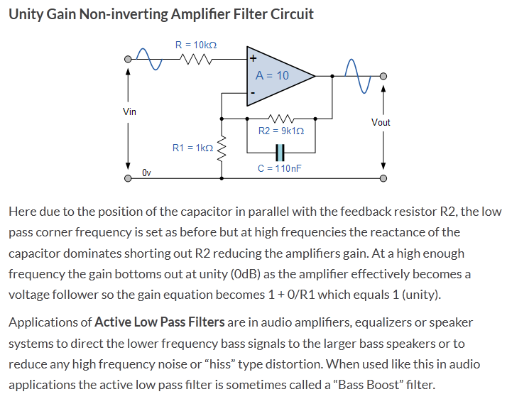
Shift | 0 | V |  |  | Headroom | 1.2 | V (=0V for rail-to-rail)
Gain | 2 | X
Xc | 1591.5494309 | Ohm |  |  | Single Test Value:
Vin,max | 1 | (max V of signal) |  |  | Vin: | 1 | V
f,signal | 1000 | Hz |  |  | Vout: | 1.6934660319 | V
period,sig | 0.001 | sec
fc | 1591.5494309 | Hz |  |  | Time Constant of filter:
# Periods | 4 | (to display) |  |  | t: | 0.1 | msec
1st Order Unity-Gain Low-Pass Filter Equations
Pass-Region Gain: ${ A}_{v}=1+R_{F}/R_{1}$
Cutoff Frequency: $f_{c}=\frac{1}{2πR_{F}C_{1}}$
Stop-Region Gain:
$\frac{V_{out}}{V_{in}}=$ $1+\frac{R_{F}}{R_{1}}\left(\frac{1}{1+\frac{f}{f_{c}}}\right)$
$→{Gain}_{dB}=20×log\left(1+\frac{R_{F}}{R_{1}}\left(\frac{1}{1+\frac{f}{f_{c}}}\right)\right)$
Capacitive Reactance
Reactance of C₁: $X_{c}=\frac{1}{2π{fC}_{1}}$
Cutoff Frequency: $f_{c}=\frac{1}{2πR_{F}C_{1}}$
$$V_{out}=V_{in}\left(1+\frac{R_{F}||X_{c}}{R_{1}}\right)$$
$$A_{v}=\frac{V_{out}}{V_{in}}=\left(1+\frac{R_{F}||X_{c}}{R_{1}}\right)$$
$$V_{out}=A_{v}V_{in}$$
dt | 0.00016 | sec |  |  | 1/t: | 10000 | Hz

 |  |  | Headroom:
t (sec) | Vin(+) | Vout | Vout | using Xc
0 | 0 | 0 | 0 | 0
0.00016 | 0.8443279255 | 1.3628554185 | 1.3628554185 | 1.3628554185
0.00032 | 0.90482705247 | 1.4605089018 | 1.4605089018 | 1.4605089018
0.00048 | 0.12533323356 | 0.20230418931 | 0.20230418931 | 0.20230418931
0.00064 | -0.77051324278 | -1.2437088911 | -1.2437088911 | -1.2437088911
0.0008 | -0.9510565163 | -1.5351292873 | -1.5351292873 | -1.5351292873
0.00096 | -0.24868988716 | -0.4014179207 | -0.4014179207 | -0.4014179207
0.00112 | 0.68454710593 | 1.1049483315 | 1.1049483315 | 1.1049483315
0.00128 | 0.98228725073 | 1.5855397669 | 1.5855397669 | 1.5855397669
0.00144 | 0.36812455268 | 0.59420105169 | 0.59420105169 | 0.59420105169
0.0016 | -0.58778525229 | -0.94876207667 | -0.94876207667 | -0.94876207667
0.00176 | -0.99802672843 | -1.6109453372 | -1.6109453372 | -1.6109453372 |  |  |  |  | https://www.electronics-tutorials.ws/filter/filter_5.html
0.00192 | -0.4817536741 | -0.77761327713 | -0.77761327713 | -0.77761327713
0.00208 | 0.4817536741 | 0.77761327713 | 0.77761327713 | 0.77761327713
0.00224 | 0.99802672843 | 1.6109453372 | 1.6109453372 | 1.6109453372
0.0024 | 0.58778525229 | 0.94876207667 | 0.94876207667 | 0.94876207667
0.00256 | -0.36812455268 | -0.59420105169 | -0.59420105169 | -0.59420105169
0.00272 | -0.98228725073 | -1.5855397669 | -1.5855397669 | -1.5855397669
0.00288 | -0.68454710593 | -1.1049483315 | -1.1049483315 | -1.1049483315
0.00304 | 0.24868988716 | 0.4014179207 | 0.4014179207 | 0.4014179207 | Single Test Values: Amp Configuration Summary:
0.0032 | 0.9510565163 | 1.5351292873 | 1.5351292873 | 1.5351292873 | V+: | 5 | V | V+: +5 V
0.00336 | 0.77051324278 | 1.2437088911 | 1.2437088911 | 1.2437088911 | V-: | -5 | V | V-: -5 V
0.00352 | -0.12533323356 | -0.20230418931 | -0.20230418931 | -0.20230418931 | Vin: | 1 | V | Vin: +1 V
0.00368 | -0.90482705247 | -1.4605089018 | -1.4605089018 | -1.4605089018 | R1: | 1 | K | R1: 1 K
0.00384 | -0.8443279255 | -1.3628554185 | -1.3628554185 | -1.3628554185 | RF: | 1 | K | RF: 1 K
0.004 | -9.8011876393E-16 | -1.5820395463E-15 | -1.5820395463E-15 | -1.5820395463E-15 | C1: | 0.1 | uF | C1: 0.1 uF
 |  |  |  |  | f,signal: | 1000 | Hz | f,signal: 1000 Hz
Bode Plot:
 | Theoretical (headroom not considered)
Non-Inverting LPF Bode Plot
Frequency (Hz) | Gain,dB | Xc | Gain,dB (Xc)
1 | 6.0178724458 | 1591549.4309 | 6.0178724458
2 | 6.0151475464 | 795774.71546 | 6.0151475464
3 | 6.0124252113 | 530516.47697 | 6.0124252113
4 | 6.0097054366 | 397887.35773 | 6.0097054366
5 | 6.0069882187 | 318309.88618 | 6.0069882187
6 | 6.0042735539 | 265258.23849 | 6.0042735539
7 | 6.0015614384 | 227364.20442 | 6.0015614384
8 | 5.9988518684 | 198943.67886 | 5.9988518684
9 | 5.9961448403 | 176838.82566 | 5.9961448403
10 | 5.9934403504 | 159154.94309 | 5.9934403504
20 | 5.9665342399 | 79577.471546 | 5.9665342399
30 | 5.9398779231 | 53051.647697 | 5.9398779231
40 | 5.9134678137 | 39788.735773 | 5.9134678137
50 | 5.887300396 | 31830.988618 | 5.887300396
60 | 5.8613722227 | 26525.823849 | 5.8613722227
70 | 5.8356799138 | 22736.420442 | 5.8356799138
80 | 5.8102201547 | 19894.367886 | 5.8102201547
90 | 5.7849896942 | 17683.882566 | 5.7849896942
100 | 5.7599853435 | 15915.494309 | 5.7599853435
200 | 5.5217178738 | 7957.7471546 | 5.5217178738
300 | 5.3029621273 | 5305.1647697 | 5.3029621273
400 | 5.1013540161 | 3978.8735773 | 5.1013540161
500 | 4.9149048672 | 3183.0988618 | 4.9149048672
600 | 4.7419283985 | 2652.5823849 | 4.7419283985
700 | 4.5809843557 | 2273.6420442 | 4.5809843557
800 | 4.4308344829 | 1989.4367886 | 4.4308344829
900 | 4.2904077528 | 1768.3882566 | 4.2904077528
1000 | 4.1587726344 | 1591.5494309 | 4.1587726344
2000 | 3.1861528909 | 795.77471546 | 3.1861528909
3000 | 2.5849385275 | 530.51647697 | 2.5849385275
4000 | 2.1755935036 | 397.88735773 | 2.1755935036
5000 | 1.8786056951 | 318.30988618 | 1.8786056951
6000 | 1.6531767119 | 265.25823849 | 1.6531767119
7000 | 1.4761693396 | 227.36420442 | 1.4761693396
8000 | 1.3334678978 | 198.94367886 | 1.3334678978
9000 | 1.2159654193 | 176.83882566 | 1.2159654193
10000 | 1.1175203473 | 159.15494309 | 1.1175203473
20000 | 0.61775356734 | 79.577471546 | 0.61775356734
30000 | 0.42692028423 | 53.051647697 | 0.42692028423
40000 | 0.32617409721 | 39.788735773 | 0.32617409721
50000 | 0.26390136062 | 31.830988618 | 0.26390136062
60000 | 0.22159585614 | 26.525823849 | 0.22159585614
70000 | 0.19098066965 | 22.736420442 | 0.19098066965
80000 | 0.16779829644 | 19.894367886 | 0.16779829644
90000 | 0.14963486311 | 17.683882566 | 0.14963486311
100000 | 0.13501965397 | 15.915494309 | 0.13501965397
200000 | 0.068305137241 | 7.9577471546 | 0.068305137241
300000 | 0.045716382664 | 5.3051647697 | 0.045716382664
400000 | 0.03435506017 | 3.9788735773 | 0.03435506017
500000 | 0.027516686046 | 3.1830988618 | 0.027516686046
600000 | 0.022948741114 | 2.6525823849 | 0.022948741114
700000 | 0.019681489329 | 2.2736420442 | 0.019681489329
800000 | 0.017228621174 | 1.9894367886 | 0.017228621174
900000 | 0.015319393263 | 1.7683882566 | 0.015319393263
1000000 | 0.013791101784 | 1.5915494309 | 0.013791101784

NonInv HPF1
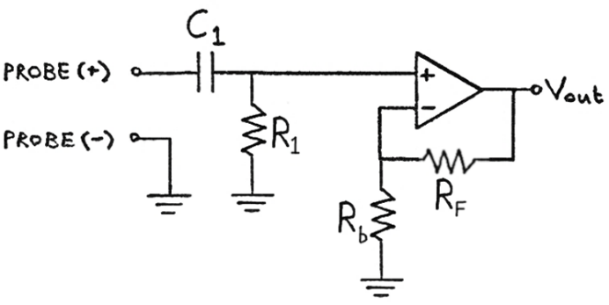
Non-Inverting Amplifier - High Pass Filter
Rb | 1 | K |  |  | Op-Amp Characteristics
R1 | 1 | K |  |  | V+ | 5 | V (positive rail power)
C1 | 0.1 | uF |  |  | V- | -5 | V (negative rail power)
RF | 1 | K |  |  | Headroom | 1.2 | V (=0V for rail-to-rail)
Shift | 0 | V
Gain | 2 | X |  |  | Single Test Value:
Xc | 1000.0002708 | Ohm |  |  | Vin: | 1 | V
Vin,max | 1 | (max V of signal) |  |  | Vout: | 1.4142137538 | V
f,signal | 1591.549 | Hz
Non-Inverting Amplifying HPF
Cutoff Frequency: $f_{c}=\frac{1}{2πR_{1}C_{1}}$
Transfer Function: $V_{out}=$ $V_{in}\frac{\left(1+\frac{R_{F}}{R_{B}}\right)\left(\frac{f}{f_{c}}\right)}{\sqrt{1+{\left(\frac{f}{f_{c}}\right)}^{2}}}$
Pass-Region Gain:${ A}_{v}=1+\left({R_{F}}/{R_{b}}\right)$
Stop-Region Gain: ${ A}_{v}=\frac{\left(1+\frac{R_{F}}{R_{B}}\right)\left(\frac{f}{f_{c}}\right)}{\sqrt{1+{\left(\frac{f}{f_{c}}\right)}^{2}}}$
Transfer Function in Terms of Capacitive Reactance:
Reactance of C₁: $X_{c}=\frac{1}{2π{fC}_{1}}$
$V_{out}=$ $V_{in}\left(\frac{R_{1}}{\sqrt{{R_{1}}^{2}+{X_{C}}^{2}}}\right)\left(1+\frac{R_{F}}{R_{b}}\right)$
period,sig | 0.00062831870084 | sec |  |  | Time Constant of filter:
fc | 1591.5494309 | Hz |  |  | t: | 0.1 | msec
# Periods | 4 | (to display) |  |  | 1/t: | 10000 | Hz
dt | 0.00010053099213 | sec

 |  |  | Headroom:
t (sec) | Vin(+) | Vout | Vout | Using Xc
0 | 0 | 0 | 0 | 0
0.00010053099213 | 0.8443279255 | 1.1940598417 | 1.1940598417 | 1.1940598417
0.00020106198427 | 0.90482705247 | 1.279618516 | 1.279618516 | 1.279618516
0.0003015929764 | 0.12533323356 | 0.17724793473 | 0.17724793473 | 0.17724793473
0.00040212396854 | -0.77051324278 | -1.0896701304 | -1.0896701304 | -1.0896701304
0.00050265496067 | -0.9510565163 | -1.3449968418 | -1.3449968418 | -1.3449968418
0.0006031859528 | -0.24868988716 | -0.35170056364 | -0.35170056364 | -0.35170056364
0.00070371694494 | 0.68454710593 | 0.96809567023 | 0.96809567023 | 0.96809567023
0.00080424793707 | 0.98228725073 | 1.3891637641 | 1.3891637641 | 1.3891637641
0.00090477892921 | 0.36812455268 | 0.52060666457 | 0.52060666457 | 0.52060666457
0.0010053099213 | -0.58778525229 | -0.83125376302 | -0.83125376302 | -0.83125376302
0.0011058409135 | -0.99802672843 | -1.4114227439 | -1.4114227439 | -1.4114227439
0.0012063719056 | -0.4817536741 | -0.6813024874 | -0.6813024874 | -0.6813024874
0.0013069028977 | 0.4817536741 | 0.6813024874 | 0.6813024874 | 0.6813024874
0.0014074338899 | 0.99802672843 | 1.4114227439 | 1.4114227439 | 1.4114227439
0.001507964882 | 0.58778525229 | 0.83125376302 | 0.83125376302 | 0.83125376302
0.0016084958741 | -0.36812455268 | -0.52060666457 | -0.52060666457 | -0.52060666457
0.0017090268663 | -0.98228725073 | -1.3891637641 | -1.3891637641 | -1.3891637641
0.0018095578584 | -0.68454710593 | -0.96809567023 | -0.96809567023 | -0.96809567023
0.0019100888505 | 0.24868988716 | 0.35170056364 | 0.35170056364 | 0.35170056364 | Single Test Values: Amp Configuration Summary:
0.0020106198427 | 0.9510565163 | 1.3449968418 | 1.3449968418 | 1.3449968418 | V+: | 5 | V | V+: +5 V
0.0021111508348 | 0.77051324278 | 1.0896701304 | 1.0896701304 | 1.0896701304 | V-: | -5 | V | V-: -5 V
0.0022116818269 | -0.12533323356 | -0.17724793473 | -0.17724793473 | -0.17724793473 | Vin: | 1 | V | Vin: +1 V
0.0023122128191 | -0.90482705247 | -1.279618516 | -1.279618516 | -1.279618516 | R1: | 1 | K | R1: 1 K
0.0024127438112 | -0.8443279255 | -1.1940598417 | -1.1940598417 | -1.1940598417 | C1: | 0.1 | uF | C1: 0.1 uF
0.0025132748034 | -9.8011876393E-16 | -1.386097061E-15 | -1.386097061E-15 | -1.386097061E-15 | f,signal: | 1592 | Hz | f,signal: 1592 Hz

Non-Inverting HPF Bode Plot
Bode Plot:
 | Theoretical (headroom not considered)
Frequency (Hz) | Gain,dB | Xc | Gain,dB (Xc derived)
1 | -58.015804434 | 1591549.4309 | -58.015804434
2 | -51.995209664 | 795774.71546 | -51.995209664
3 | -48.473393056 | 530516.47697 | -48.473393056
4 | -45.974630325 | 397887.35773 | -45.974630325
5 | -44.036445496 | 318309.88618 | -44.036445496
6 | -42.452839434 | 265258.23849 | -42.452839434
7 | -41.11392593 | 227364.20442 | -41.11392593
8 | -39.954112708 | 198943.67886 | -39.954112708
9 | -38.931091405 | 176838.82566 | -38.931091405
10 | -38.015974169 | 159154.94309 | -38.015974169
20 | -31.995888562 | 79577.471546 | -31.995888562
30 | -28.474920424 | 53051.647697 | -28.474920424
40 | -25.977345268 | 39788.735773 | -25.977345268
50 | -24.040686834 | 31830.988618 | -24.040686834
60 | -22.458945623 | 26525.823849 | -22.458945623
70 | -21.122234981 | 22736.420442 | -21.122234981
80 | -19.964962106 | 19894.367886 | -19.964962106
90 | -18.944818033 | 17683.882566 | -18.944818033
100 | -18.032914224 | 15915.494309 | -18.032914224
200 | -12.063247982 | 7957.7471546 | -12.063247982
300 | -8.6250068924 | 5305.1647697 | -8.6250068924
400 | -6.2406115149 | 3978.8735773 | -6.2406115149
500 | -4.4451782407 | 3183.0988618 | -4.4451782407
600 | -3.0299038371 | 2652.5823849 | -3.0299038371
700 | -1.8818632695 | 2273.6420442 | -1.8818632695
800 | -0.93234156954 | 1989.4367886 | -0.93234156954
900 | -0.13595210591 | 1768.3882566 | -0.13595210591
1000 | 0.53912716424 | 1591.5494309 | 0.53912716424
2000 | 3.8900535734 | 795.77471546 | 3.8900535734
3000 | 4.9435909444 | 530.51647697 | 4.9435909444
4000 | 5.3823355482 | 397.88735773 | 5.3823355482
5000 | 5.6014599848 | 318.30988618 | 5.6014599848
6000 | 5.7252933611 | 265.25823849 | 5.7252933611
7000 | 5.8017039627 | 227.36420442 | 5.8017039627
8000 | 5.8520266575 | 198.94367886 | 5.8520266575
9000 | 5.8868677744 | 176.83882566 | 5.8868677744
10000 | 5.9119620146 | 159.15494309 | 5.9119620146
20000 | 5.9931846073 | 79.577471546 | 5.9931846073
30000 | 6.0083939622 | 53.051647697 | 6.0083939622
40000 | 6.0137298452 | 39.788735773 | 6.0137298452
50000 | 6.0162018179 | 31.830988618 | 6.0162018179
60000 | 6.0175452079 | 26.525823849 | 6.0175452079
70000 | 6.0183554306 | 22.736420442 | 6.0183554306
80000 | 6.0188813771 | 19.894367886 | 6.0188813771
90000 | 6.0192420012 | 17.683882566 | 6.0192420012
100000 | 6.0194999718 | 15.915494309 | 6.0194999718
200000 | 6.0203249018 | 7.9577471546 | 6.0203249018
300000 | 6.0204776838 | 5.3051647697 | 6.0204776838
400000 | 6.0205311588 | 3.9788735773 | 6.0205311588
500000 | 6.0205559103 | 3.1830988618 | 6.0205559103
600000 | 6.0205693556 | 2.6525823849 | 6.0205693556
700000 | 6.0205774627 | 2.2736420442 | 6.0205774627
800000 | 6.0205827246 | 1.9894367886 | 6.0205827246
900000 | 6.0205863321 | 1.7683882566 | 6.0205863321
1000000 | 6.0205889125 | 1.5915494309 | 6.0205889125

NonInv HPF2
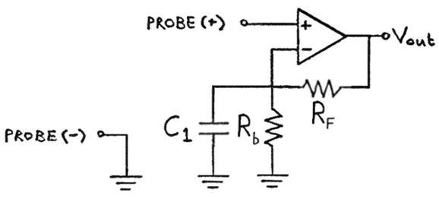
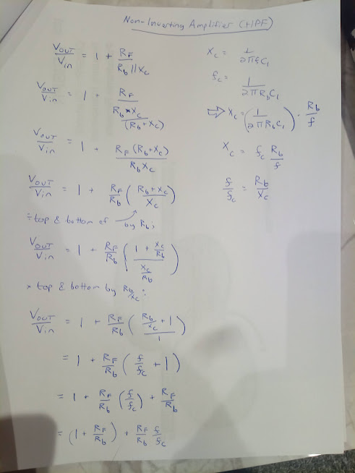
Non-Inverting Amplifier - High Pass Filter
Rb | 1 | K |  |  | Op-Amp Characteristics
C1 | 0.1 | uF |  |  | V+ | 5 | V (positive rail power)
RF | 1 | K |  |  | V- | -5 | V (negative rail power)
Shift | 0 | V |  |  | Headroom | 1.2 | V (=0V for rail-to-rail)
Gain | 2 | X
Xc | 15915.494309 | Ohm |  |  | Single Test Value:
Vin,max | 1 | (max V of signal) |  |  | Vin: | 1 | V
f,signal | 100 | Hz |  |  | Vout: | 1.996063809 | V
period,sig | 0.01 | sec
Non-Inverting Amplifying HPF
Pass-Region Gain:${ A}_{v}=1+\left({R_{F}}/{R_{b}}\right)$
Cutoff Frequency: $f_{c}=\frac{1}{2πR_{b}C_{1}}$
$V_{out}=$ $V_{in}\left(1+\frac{R_{F}}{R_{b}}\left(1+\frac{f}{f_{c}}\right)\right)$
Capacitive Reactance
Reactance of C₁: $X_{c}=\frac{1}{2π{fC}_{1}}$
$$V_{out}=V_{in}\left(1+\frac{R_{F}}{R_{b}||X_{c}}\right)$$
$$A_{v}=\frac{V_{out}}{V_{in}}=\left(1+\frac{R_{F}}{R_{b}||X_{c}}\right)$$
$$V_{out}=A_{v}V_{in}$$
fc | 1591.5494309 | Hz |  |  | Time Constant of filter:
# Periods | 4 | (to display) |  |  | t: | 0.1 | msec
dt | 0.0016 | sec |  |  | 1/t: | 10000 | Hz

 |  |  | Headroom:
t (sec) | Vin(+) | Vout | Vout | using Xc:
0 | 0 | 0 | 0 | 0
0.0016 | 0.8443279255 | 1.7417065392 | 1.7417065392 | 1.7417065392
0.0032 | 0.90482705247 | 1.8665060653 | 1.8665060653 | 1.8665060653
0.0048 | 0.12533323356 | 0.25854138644 | 0.25854138644 | 0.25854138644
0.0064 | -0.77051324278 | -1.5894392604 | -1.5894392604 | -1.5894392604
0.008 | -0.9510565163 | -1.9618696759 | -1.9618696759 | -1.9618696759
0.0096 | -0.24868988716 | -0.51300542078 | -0.51300542078 | -0.51300542078
0.0112 | 0.68454710593 | 1.412105575 | 1.412105575 | 1.412105575
0.0128 | 0.98228725073 | 2.0262934297 | 2.0262934297 | 2.0262934297
0.0144 | 0.36812455268 | 0.75937905318 | 0.75937905318 | 0.75937905318
0.016 | -0.58778525229 | -1.2125021412 | -1.2125021412 | -1.2125021412
0.0176 | -0.99802672843 | -2.0587613256 | -2.0587613256 | -2.0587613256
0.0192 | -0.4817536741 | -0.99377682427 | -0.99377682427 | -0.99377682427 |  |  |  |  | Mancini, R. "Op-amps for everyone". Texas Instruments, Aug 2002
0.0208 | 0.4817536741 | 0.99377682427 | 0.99377682427 | 0.99377682427
0.0224 | 0.99802672843 | 2.0587613256 | 2.0587613256 | 2.0587613256 |  |  |  |  | This doesn't filter out low frequencies, it amplifies higher ones more aggressively.
0.024 | 0.58778525229 | 1.2125021412 | 1.2125021412 | 1.2125021412
0.0256 | -0.36812455268 | -0.75937905318 | -0.75937905318 | -0.75937905318
0.0272 | -0.98228725073 | -2.0262934297 | -2.0262934297 | -2.0262934297
0.0288 | -0.68454710593 | -1.412105575 | -1.412105575 | -1.412105575
0.0304 | 0.24868988716 | 0.51300542078 | 0.51300542078 | 0.51300542078 | Single Test Values: Amp Configuration Summary:
0.032 | 0.9510565163 | 1.9618696759 | 1.9618696759 | 1.9618696759 | V+: | 5 | V | V+: +5 V
0.0336 | 0.77051324278 | 1.5894392604 | 1.5894392604 | 1.5894392604 | V-: | -5 | V | V-: -5 V
0.0352 | -0.12533323356 | -0.25854138644 | -0.25854138644 | -0.25854138644 | Vin: | 1 | V | Vin: +1 V
0.0368 | -0.90482705247 | -1.8665060653 | -1.8665060653 | -1.8665060653 | R1: | 1 | K | R1: 1 K
0.0384 | -0.8443279255 | -1.7417065392 | -1.7417065392 | -1.7417065392 | C1: | 0.1 | uF | C1: 0.1 uF
0.04 | -4.5328324427E-15 | -9.3504711475E-15 | -9.3504711475E-15 | -9.3504711475E-15 | f,signal: | 100 | Hz | f,signal: 100 Hz

Non-Inverting HPF Bode Plot
Bode Plot:
 | Theoretical (headroom not considered)
Frequency (Hz) | Gain,dB | Xc | Gain,dB (Xc)
1 | 6.0233282374 | 1591549.4309 | 6.0233282374
2 | 6.0260557049 | 795774.71546 | 6.0260557049
3 | 6.0287823161 | 530516.47697 | 6.0287823161
4 | 6.0315080717 | 397887.35773 | 6.0315080717
5 | 6.0342329722 | 318309.88618 | 6.0342329722
6 | 6.0369570182 | 265258.23849 | 6.0369570182
7 | 6.03968021 | 227364.20442 | 6.03968021
8 | 6.0424025484 | 198943.67886 | 6.0424025484
9 | 6.0451240338 | 176838.82566 | 6.0451240338
10 | 6.0478446668 | 159154.94309 | 6.0478446668
20 | 6.0750042297 | 79577.471546 | 6.0750042297
30 | 6.102079133 | 53051.647697 | 6.102079133
40 | 6.1290699031 | 39788.735773 | 6.1290699031
50 | 6.155977061 | 31830.988618 | 6.155977061
60 | 6.1828011232 | 26525.823849 | 6.1828011232
70 | 6.2095426014 | 22736.420442 | 6.2095426014
80 | 6.2362020026 | 19894.367886 | 6.2362020026
90 | 6.262779829 | 17683.882566 | 6.262779829
100 | 6.2892765783 | 15915.494309 | 6.2892765783
200 | 6.5498911481 | 7957.7471546 | 6.5498911481
300 | 6.802913394 | 5305.1647697 | 6.802913394
400 | 7.0487731875 | 3978.8735773 | 7.0487731875
500 | 7.2878648943 | 3183.0988618 | 7.2878648943
600 | 7.52055118 | 2652.5823849 | 7.52055118
700 | 7.7471663195 | 2273.6420442 | 7.7471663195
800 | 7.9680190847 | 1989.4367886 | 7.9680190847
900 | 8.1833952749 | 1768.3882566 | 8.1833952749
1000 | 8.3935599404 | 1591.5494309 | 8.3935599404
2000 | 10.255387219 | 795.77471546 | 10.255387219
3000 | 11.787721177 | 530.51647697 | 11.787721177
4000 | 13.089834242 | 397.88735773 | 13.089834242
5000 | 14.221953327 | 318.30988618 | 14.221953327
6000 | 15.223382563 | 265.25823849 | 15.223382563
7000 | 16.121196569 | 227.36420442 | 16.121196569
8000 | 16.934840651 | 198.94367886 | 16.934840651
9000 | 17.678752735 | 176.83882566 | 17.678752735
10000 | 18.363947546 | 159.15494309 | 18.363947546
20000 | 23.267027112 | 79.577471546 | 23.267027112
30000 | 26.381936186 | 53.051647697 | 26.381936186
40000 | 28.669873458 | 39.788735773 | 28.669873458
50000 | 30.479070149 | 31.830988618 | 30.479070149
60000 | 31.975615815 | 26.525823849 | 31.975615815
70000 | 33.251813273 | 22.736420442 | 33.251813273
80000 | 34.364299274 | 19.894367886 | 34.364299274
90000 | 35.350340349 | 17.683882566 | 35.350340349
100000 | 36.235768702 | 15.915494309 | 36.235768702
200000 | 42.121348961 | 7.9577471546 | 42.121348961
300000 | 45.597697119 | 5.3051647697 | 45.597697119
400000 | 48.073643737 | 3.9788735773 | 48.073643737
500000 | 49.998118275 | 3.1830988618 | 49.998118275
600000 | 51.57258065 | 2.6525823849 | 51.57258065
700000 | 52.904965844 | 2.2736420442 | 52.904965844
800000 | 54.059888591 | 1.9894367886 | 54.059888591
900000 | 55.079113409 | 1.7683882566 | 55.079113409
1000000 | 55.991201503 | 1.5915494309 | 55.991201503

NonInv+Bias
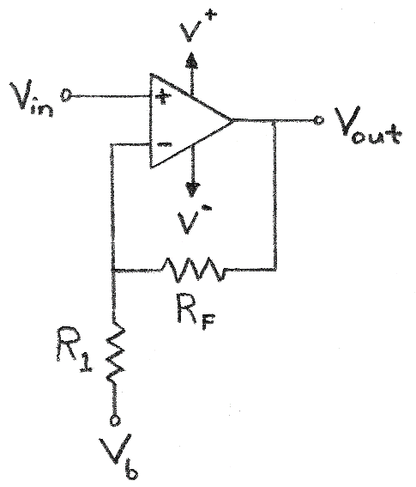
Non-Inverting + Bias Amplifier
R1 | 1 | K |  | Op-Amp Characteristics
Rf | 3 | K |  | V+ | 5 | V (positive rail power)
Vb | -0.5 | V |  | V- | -5 | V (negative rail power)
Shift | 1.5 | V |  | Headroom | 1.4 | V (=0V for rail-to-rail)
Gain | 4 | X
Vin,max | 1 | (max V of signal)
 |  |  | Headroom: | Single Test Value:
t | Vin(+) | Vout | Vout | Vin: | -2.5 | V
Non-Inverting + Bias
$$A_{v}=\frac{V_{out}}{V_{in}}=\left(1+\frac{R_{F}}{R_{1}}\right)$$
$$V_{out}=A_{v}V_{in}+\left(1−A_{v}\right)V_{b}$$
$$V_{out}=\left(1+\frac{R_{F}}{R_{1}}\right)V_{in}−\left(\frac{R_{F}}{R_{1}}\right)V_{b}$$
0 | 0 | 1.5 | 1.5 | Vout: | -3.6 | V
0.1 | 0.099833416647 | 1.8993336666 | 1.8993336666
0.2 | 0.1986693308 | 2.2946773232 | 2.2946773232
1.2 | 0.93203908597 | 5.2281563439 | 3.6
2.2 | 0.80849640382 | 4.7339856153 | 3.6
3.2 | -0.058374143428 | 1.2665034263 | 1.2665034263
4.2 | -0.87157577241 | -1.9863030897 | -1.9863030897
5.2 | -0.88345465572 | -2.0338186229 | -2.0338186229
6.2 | -0.083089402817 | 1.1676423887 | 1.1676423887
7.2 | 0.79366786385 | 4.6746714554 | 3.6
8.2 | 0.94073055668 | 5.2629222267 | 3.6
9.2 | 0.2228899141 | 2.3915596564 | 2.3915596564
10.2 | -0.69987468759 | -1.2994987504 | -1.2994987504
11.2 | -0.97917772915 | -2.4167109166 | -2.4167109166
12.2 | -0.35822928224 | 0.067082871053 | 0.067082871053
13.2 | 0.59207351471 | 3.8682940588 | 3.6
14.2 | 0.99802665272 | 5.4921066109 | 3.6
15.2 | 0.48639868885 | 3.4455947554 | 3.4455947554
16.2 | -0.4724219864 | -0.38968794559 | -0.38968794559
17.2 | -0.99690006604 | -2.4876002642 | -2.4876002642 | Single Test Values: Amp Configuration Summary:
18.2 | -0.60483282241 | -0.91933128963 | -0.91933128963 | V+: | 5 | V | V+: +5 V
19.2 | 0.34331492882 | 2.8732597153 | 2.8732597153 | V-: | -5 | V | V-: -5 V
20.2 | 0.97582051777 | 5.4032820711 | 3.6 | Vin: | -2.5 | V | Vin: -2.5 V
21.2 | 0.71116122291 | 4.3446448916 | 3.6 | Vb: | -0.5 | V | Vb: -0.5 V
22.2 | -0.20733642061 | 0.67065431757 | 0.67065431757 | R1: | 1 | K | R1: 1 K
23.2 | -0.93520991519 | -2.2408396608 | -2.2408396608 | RF: | 3 | K | RF: 3 K

NonInv+Bias Vhalf
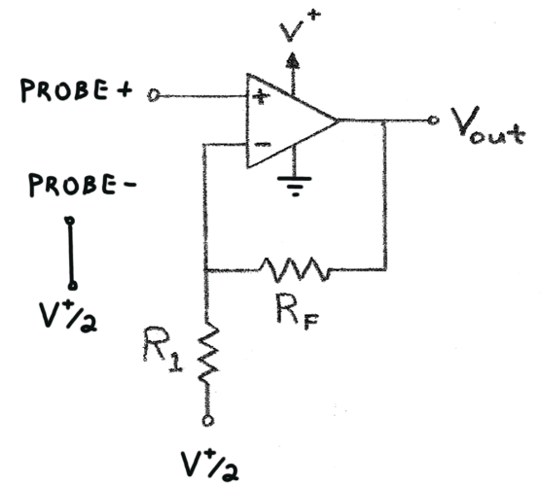
Non-Inverting + Bias Amplifier (Probe Referenced to V+/2)
R1 | 1 | K |  | Op-Amp Characteristics
Rf | 10 | K |  | V+ | 5 | V (positive rail power)
Vb | 2.5 | V (= V+/2) |  | V- | 0 | V (negative rail power)
Shift | -25 | V |  | Headroom | 0 | V (=0V for rail-to-rail)
Gain | 11 | X
Vin,max | 0.1 | (max V swing of signal from probe-)
 |  |  | Headroom: | Single Test Value:
t | Vin(+) | Vout | Vout | Vin: | -2.5 | V
0 | 2.5 | 2.5 | 2.5 | Vout: | 0 | V
0.1 | 2.5099833417 | 2.6098167583 | 2.6098167583
Non-Inverting + Bias
$$A_{v}=\frac{V_{out}}{V_{in}}=\left(1+\frac{R_{F}}{R_{1}}\right)$$
$$V_{out}=A_{v}V_{in}+\left(1−A_{v}\right)V_{b}$$
$$V_{out}=A_{v}{(V}_{in}−V_{b})+V_{b}$$
$$V_{out}=A_{v}{(V}_{in}−\frac{V^{+}}{2})+\frac{V^{+}}{2}$$
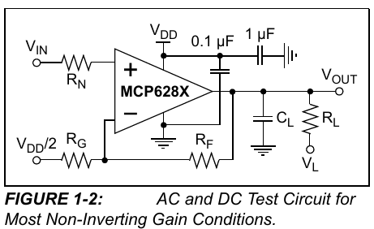
0.2 | 2.5198669331 | 2.7185362639 | 2.7185362639
1.2 | 2.5932039086 | 3.5252429946 | 3.5252429946
2.2 | 2.5808496404 | 3.3893460442 | 3.3893460442
3.2 | 2.4941625857 | 2.4357884422 | 2.4357884422
4.2 | 2.4128424228 | 1.5412666503 | 1.5412666503
5.2 | 2.4116545344 | 1.5281998787 | 1.5281998787
6.2 | 2.4916910597 | 2.4086016569 | 2.4086016569
7.2 | 2.5793667864 | 3.3730346502 | 3.3730346502
8.2 | 2.5940730557 | 3.5348036123 | 3.5348036123
9.2 | 2.5222889914 | 2.7451789055 | 2.7451789055
10.2 | 2.4300125312 | 1.7301378436 | 1.7301378436
11.2 | 2.4020822271 | 1.4229044979 | 1.4229044979
12.2 | 2.4641770718 | 2.1059477895 | 2.1059477895 |  |  |  |  |  | Source: https://ww1.microchip.com/downloads/en/DeviceDoc/20001811F.pdf
13.2 | 2.5592073515 | 3.1512808662 | 3.1512808662
14.2 | 2.5998026653 | 3.597829318 | 3.597829318 |  |  |  |  | Note: Probe is referenced to V+/2 (negative probe grounded to V+/2)
15.2 | 2.5486398689 | 3.0350385577 | 3.0350385577
16.2 | 2.4527578014 | 1.980335815 | 1.980335815 |  |  |  |  | Key Points
17.2 | 2.4003099934 | 1.4034099274 | 1.4034099274 | Single Test Values: Amp Configuration Summary: |  |  |  | 1. The amplifier maintains its non-inverting characteristic, as the output is in phase with the input.
18.2 | 2.4395167178 | 1.8346838954 | 1.8346838954 | V+: | 5 | V | V+: +5 V | 2. The Vdd/2 bias allows for maximum signal swing in a single-supply system.
19.2 | 2.5343314929 | 2.8776464217 | 2.8776464217 | V-: | 0 | V | V-: 0 V | 3. AC signals are amplified around the Vdd/2 reference point, effectively creating an AC-coupled amplifier.
20.2 | 2.5975820518 | 3.5734025695 | 3.5734025695 | Vin: | -2.5 | V | Vin: -2.5 V
21.2 | 2.5711161223 | 3.2822773452 | 3.2822773452 | Vb: | 2.5 | V | Vb: 2.5 V
22.2 | 2.4792663579 | 2.2719299373 | 2.2719299373 | R1: | 1 | K | R1: 1 K
23.2 | 2.4064790085 | 1.4712690933 | 1.4712690933 | RF: | 10 | K | RF: 10 K

NonInv+Bias - Calculate R
Non-Inverting + Bias Amplifier
R1 | 1 | K |  | Signal Characteristics |  |  | Op-Amp Characteristics
Rf | 6 | K |  | Vin,min | -0.15 | V | V+ | 12 | V (positive rail power)
Vb | -0.375 | V |  | Vin,max | 0.15 | V | V- | -12 | V (negative rail power)
Shift | 2.25 | V |  | Vout@Vin,min | 1.2 | V | Headroom | 1.3 | V (=0V for rail-to-rail)
Gain | 7 | X |  | Vout@Vin,max | 3.3 | V

 |  |  | Headroom:
t | Vin(+) | Vout | Vout |  |  |  | Single Test Value:
0 | 0 | 2.25 | 2.25 |  |  |  | Vin: | -3.5 | V
0.1 | 0.014975012497 | 2.3548250875 | 2.3548250875 |  |  |  | Vout: | -10.7 | V
0.2 | 0.029800399619 | 2.4586027973 | 2.4586027973
Non-Inverting + Bias
$$A_{v}=\frac{V_{out}}{V_{in}}=\left(1+\frac{R_{F}}{R_{1}}\right)$$
$$V_{out}=A_{v}V_{in}+\left(1−A_{v}\right)V_{b}$$
$$V_{out}=\left(1+\frac{R_{F}}{R_{1}}\right)V_{in}−\left(\frac{R_{F}}{R_{1}}\right)V_{b}$$
1.2 | 0.1398058629 | 3.2286410403 | 3.2286410403
2.2 | 0.12127446057 | 3.098921224 | 3.098921224
3.2 | -0.0087561215141 | 2.1887071494 | 2.1887071494
4.2 | -0.13073636586 | 1.334845439 | 1.334845439
5.2 | -0.13251819836 | 1.3223726115 | 1.3223726115
6.2 | -0.012463410423 | 2.162756127 | 2.162756127
7.2 | 0.11905017958 | 3.083351257 | 3.083351257
8.2 | 0.1411095835 | 3.2377670845 | 3.2377670845
9.2 | 0.033433487115 | 2.4840344098 | 2.4840344098
10.2 | -0.10498120314 | 1.515131578 | 1.515131578
11.2 | -0.14687665937 | 1.2218633844 | 1.2218633844
12.2 | -0.053734392336 | 1.8738592537 | 1.8738592537
13.2 | 0.088811027206 | 2.8716771904 | 2.8716771904
14.2 | 0.14970399791 | 3.2979279854 | 3.2979279854
15.2 | 0.072959803328 | 2.7607186233 | 2.7607186233
16.2 | -0.07086329796 | 1.7539569143 | 1.7539569143
17.2 | -0.14953500991 | 1.2032549307 | 1.2032549307
18.2 | -0.090724923361 | 1.6149255365 | 1.6149255365
19.2 | 0.051497239323 | 2.6104806753 | 2.6104806753
20.2 | 0.14637307767 | 3.2746115437 | 3.2746115437
21.2 | 0.10667418344 | 2.9967192841 | 2.9967192841
22.2 | -0.031100463091 | 2.0322967584 | 2.0322967584
23.2 | -0.14028148728 | 1.268029589 | 1.268029589

Diff
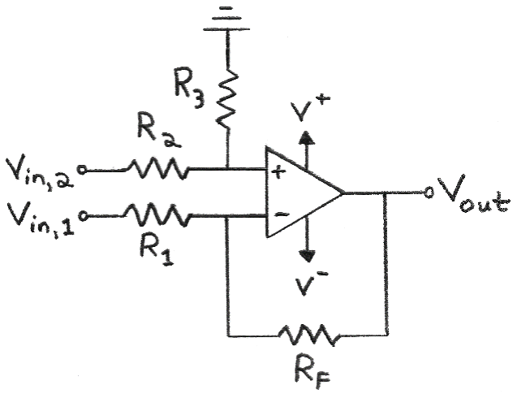
Differential Amplifier
R1 | 1 | K |  | Op-Amp Characteristics
R2 | 1 | K |  | V+ | 12 | V (positive rail power)
R3 | 1 | K |  | V- | -12 | V (negative rail power) |  | At (+) Input:
Rf | 1 | K |  | Headroom | 1.3 | V (=0V for rail-to-rail) |  | V=Vin,2*(R3/(R2+R3))
Vin,2 | 1 | V
Gain | -1 | X
Vin,1 max | 1 | (max of Vin,1 signal)
 |  |  |  | Single Test Values:
 |  |  | Headroom: | Vin,2 | 5.7 | V
t | Vin,1 | Vout | Vout | Vin,1 | 7.8 | V
0 | 0 | 1 | 1 | Vout: | -2.1 | V
Differential Amplifier
$$V_{out}=\left(−\frac{R_{F}}{R_{1}}\right)V_{in,1}+\left(1+\frac{R_{F}}{R_{1}}\right)\left(\frac{R_{3}}{R_{2}+R_{3}}\right)V_{in,2}$$
If R₁=R₂, and R₃=R_{F}:
$$V_{out}=\left(\frac{R_{F}}{R_{1}}\right)\left(V_{in,2}−V_{in,1}\right)$$
If all resistor values equal:
$$V_{out}=V_{in,2}−V_{in,1}$$
0.1 | 0.099833416647 | 0.90016658335 | 0.90016658335
0.2 | 0.1986693308 | 0.8013306692 | 0.8013306692
1.2 | 0.93203908597 | 0.067960914033 | 0.067960914033
2.2 | 0.80849640382 | 0.19150359618 | 0.19150359618
3.2 | -0.058374143428 | 1.0583741434 | 1.0583741434
4.2 | -0.87157577241 | 1.8715757724 | 1.8715757724
5.2 | -0.88345465572 | 1.8834546557 | 1.8834546557
6.2 | -0.083089402817 | 1.0830894028 | 1.0830894028
7.2 | 0.79366786385 | 0.20633213615 | 0.20633213615
8.2 | 0.94073055668 | 0.05926944332 | 0.05926944332
9.2 | 0.2228899141 | 0.7771100859 | 0.7771100859
10.2 | -0.69987468759 | 1.6998746876 | 1.6998746876
11.2 | -0.97917772915 | 1.9791777292 | 1.9791777292
12.2 | -0.35822928224 | 1.3582292822 | 1.3582292822
13.2 | 0.59207351471 | 0.40792648529 | 0.40792648529
14.2 | 0.99802665272 | 0.0019733472836 | 0.0019733472836
15.2 | 0.48639868885 | 0.51360131115 | 0.51360131115 | Single Test Values: Amp Configuration Summary:
16.2 | -0.4724219864 | 1.4724219864 | 1.4724219864 | V+: | 12 | V | V+: +12 V
17.2 | -0.99690006604 | 1.996900066 | 1.996900066 | V-: | -12 | V | V-: -12 V
18.2 | -0.60483282241 | 1.6048328224 | 1.6048328224 | Vin,1: | 7.8 | V | Vin,1: +7.8 V
19.2 | 0.34331492882 | 0.65668507118 | 0.65668507118 | Vin,2: | 5.7 | V | Vin,2: +5.7 V
20.2 | 0.97582051777 | 0.024179482233 | 0.024179482233 | R1: | 1 | K | R1: 1 K
21.2 | 0.71116122291 | 0.28883877709 | 0.28883877709 | R2: | 1 | K | R2: 1 K
22.2 | -0.20733642061 | 1.2073364206 | 1.2073364206 | R3: | 1 | K | R3: 1 K
23.2 | -0.93520991519 | 1.9352099152 | 1.9352099152 | RF: | 1 | K | RF: 1 K

For Graphing Vin,2:
t | Vin(+)
0 | 1
23.2 | 1

Sum Inv
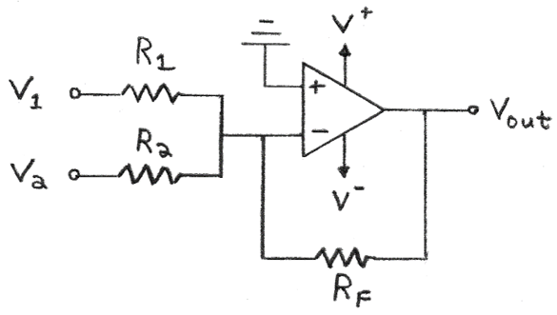
Summing Inverting Amplifier
R1 | 1 | K |  | Op-Amp Characteristics
R2 | 1 | K |  | V+ | 9 | V (positive rail power)
Rf | 3 | K |  | V- | -9 | V (negative rail power)
Vin,2 | 2 | V |  | Headroom | 0.9 | V (=0V for rail-to-rail)
Gain | -3 | X
V1max | 1 | (max of Vin,1 signal)

Summing Amplifier (Inverting)
$$V_{out}=−R_{F}\left(\frac{V_{1}}{R_{1}}+\frac{V_{2}}{R_{2}}+…+\frac{V_{n}}{R_{n}}\right)$$
If all resistor values equal:
$$V_{out}=−\left(V_{1}+V_{2}+{…+V}_{n}\right)$$
 |  |  | Headroom: | Single Test Values:
t | Vin,1 | Vout | Vout | V1: | 1.25 | V
0 | 0 | -6 | -6 | V2: | 1.25 | V
0.1 | 0.099833416647 | -6.2995002499 | -6.2995002499 | Vout: | -7.5 | V
0.2 | 0.1986693308 | -6.5960079924 | -6.5960079924
1.2 | 0.93203908597 | -8.7961172579 | -8.1
2.2 | 0.80849640382 | -8.4254892115 | -8.1
3.2 | -0.058374143428 | -5.8248775697 | -5.8248775697
4.2 | -0.87157577241 | -3.3852726828 | -3.3852726828
5.2 | -0.88345465572 | -3.3496360328 | -3.3496360328
6.2 | -0.083089402817 | -5.7507317915 | -5.7507317915
7.2 | 0.79366786385 | -8.3810035915 | -8.1
8.2 | 0.94073055668 | -8.82219167 | -8.1
9.2 | 0.2228899141 | -6.6686697423 | -6.6686697423
10.2 | -0.69987468759 | -3.9003759372 | -3.9003759372
11.2 | -0.97917772915 | -3.0624668125 | -3.0624668125
12.2 | -0.35822928224 | -4.9253121533 | -4.9253121533
13.2 | 0.59207351471 | -7.7762205441 | -7.7762205441
14.2 | 0.99802665272 | -8.9940799581 | -8.1
15.2 | 0.48639868885 | -7.4591960666 | -7.4591960666 | Single Test Values: Amp Configuration Summary:
16.2 | -0.4724219864 | -4.5827340408 | -4.5827340408 | V+: | 9 | V | V+: +9 V
17.2 | -0.99690006604 | -3.0092998019 | -3.0092998019 | V-: | -9 | V | V-: -9 V
18.2 | -0.60483282241 | -4.1855015328 | -4.1855015328 | V1: | 1.25 | V | V1: +1.25 V
19.2 | 0.34331492882 | -7.0299447865 | -7.0299447865 | V2: | 1.25 | V | V2: +1.25 V
20.2 | 0.97582051777 | -8.9274615533 | -8.1 | R1: | 1 | K | R1: 1 K
21.2 | 0.71116122291 | -8.1334836687 | -8.1 | R2: | 1 | K | R2: 1 K
22.2 | -0.20733642061 | -5.3779907382 | -5.3779907382 | RF: | 3 | K | RF: 3 K
23.2 | -0.93520991519 | -3.1943702544 | -3.1943702544

For Graphing Vin,2:
t | Vin,2
0 | 2
23.2 | 2

Sum Inv - 3 inputs
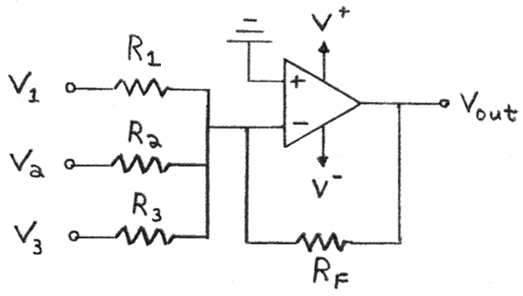
Summing Inverting Amplifier (3 inputs)
R1 | 1 | K |  | Op-Amp Characteristics
R2 | 1 | K |  | V+ | 5 | V (positive rail power)
R3 | 1 | K |  | V- | -5 | V (negative rail power)
Rf | 1 | K |  | Headroom | 1.3 | V (=0V for rail-to-rail)
Vin,2 | 0.2 | V
Vin,3 | 0.4 | V
Gain | -1 | X
V1max | 1 | (max of Vin,1 signal)
 |  |  | Headroom: | Single Test Values:
t | Vin,1 | Vout | Vout | V1: | 1.44 | V
Summing Amplifier (Inverting)
$$V_{out}=−R_{F}\left(\frac{V_{1}}{R_{1}}+\frac{V_{2}}{R_{2}}+…+\frac{V_{n}}{R_{n}}\right)$$
If R₁ = R₂ = ... = R_{n}:
$$V_{out}=−\frac{R_{F}}{R_{1}}\left(V_{1}+V_{2}+…+V_{n}\right)$$
If all resistor values equal:
$$V_{out}=−\left(V_{1}+V_{2}+{…+V}_{n}\right)$$
0 | 0 | -0.6 | -0.6 | V2: | 2.51 | V
0.1 | 0.099833416647 | -0.69983341665 | -0.69983341665 | V3: | 1.67 | V
0.2 | 0.1986693308 | -0.7986693308 | -0.7986693308 | Vout: | -3.7 | V
1.2 | 0.93203908597 | -1.532039086 | -1.532039086
2.2 | 0.80849640382 | -1.4084964038 | -1.4084964038
3.2 | -0.058374143428 | -0.54162585657 | -0.54162585657
4.2 | -0.87157577241 | 0.27157577241 | 0.27157577241
5.2 | -0.88345465572 | 0.28345465572 | 0.28345465572
6.2 | -0.083089402817 | -0.51691059718 | -0.51691059718
7.2 | 0.79366786385 | -1.3936678638 | -1.3936678638
8.2 | 0.94073055668 | -1.5407305567 | -1.5407305567
9.2 | 0.2228899141 | -0.8228899141 | -0.8228899141
10.2 | -0.69987468759 | 0.099874687594 | 0.099874687594
11.2 | -0.97917772915 | 0.37917772915 | 0.37917772915
12.2 | -0.35822928224 | -0.24177071776 | -0.24177071776
13.2 | 0.59207351471 | -1.1920735147 | -1.1920735147
14.2 | 0.99802665272 | -1.5980266527 | -1.5980266527
15.2 | 0.48639868885 | -1.0863986889 | -1.0863986889
16.2 | -0.4724219864 | -0.1275780136 | -0.1275780136 | Single Test Values: Amp Configuration Summary:
17.2 | -0.99690006604 | 0.39690006604 | 0.39690006604 | V+: | 5 | V | V+: +5 V
18.2 | -0.60483282241 | 0.0048328224063 | 0.0048328224063 | V-: | -5 | V | V-: -5 V
19.2 | 0.34331492882 | -0.94331492882 | -0.94331492882 | V1: | 1.44 | V | V1: +1.44 V
20.2 | 0.97582051777 | -1.5758205178 | -1.5758205178 | V2: | 2.51 | V | V2: +2.51 V
21.2 | 0.71116122291 | -1.3111612229 | -1.3111612229 | V3: | 1.67 | V | V3: +1.67 V
22.2 | -0.20733642061 | -0.39266357939 | -0.39266357939 | R1: | 1 | K | R1: 1 K
23.2 | -0.93520991519 | 0.33520991519 | 0.33520991519 | R2: | 1 | K | R2: 1 K
 |  |  |  | R3: | 1 | K | R3: 1 K
 |  |  |  | RF: | 1 | K | RF: 1 K
For Graphing Vin,2 and Vin,3:
t | Vin,2 | Vin,3
0 | 0.2 | 0.4
23.2 | 0.2 | 0.4

Sum Non-Inv
Summing Non-Inverting Amplifier
Vb (or V2) | 0.5 | V | R1 | 1 | K |  |  |  | Op-Amp Characteristics
Shift | 1.65 |  | R2 | 1 | K |  |  |  | V+ | 5 | V (positive rail power)
Gain | 3.3 |  | R3 | 1 | K |  |  |  | V- | -5 | V (negative rail power)
Vmax | 1 | V | Rf | 5.6 | K |  |  |  | Headroom | 1.3 | V (=0V for rail-to-rail)
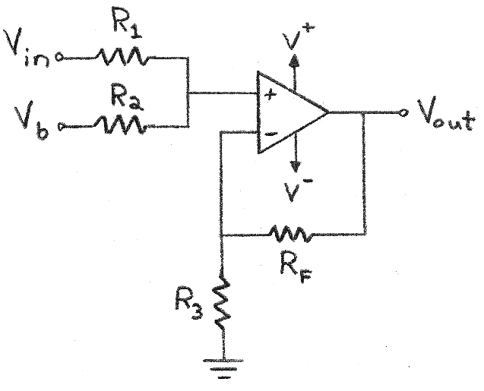
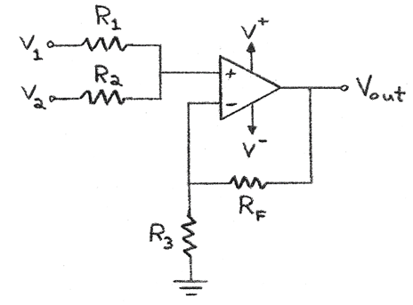

 |  |  | Headroom:
t | Vin | Vout | Vout |  | Single Test Value:
0 | 0 | 1.65 | 1.65 |  | Vin (or V1) | 0.5 | V
0.1 | 0.099833416647 | 1.9794502749 | 1.9794502749 |  | Vout: | 3.3 | V
0.2 | 0.1986693308 | 2.3056087916 | 2.3056087916
1.2 | 0.93203908597 | 4.7257289837 | 3.7
2.2 | 0.80849640382 | 4.3180381326 | 3.7
3.2 | -0.058374143428 | 1.4573653267 | 1.4573653267
Summing Amplifier (Non-Inverting)
$$V_{out}=\left(1+\frac{R_{F}}{R_{3}}\right)\left[V_{1}\left(\frac{R_{2}}{R_{1}+R_{2}}\right)+V_{2}\left(\frac{R_{1}}{R_{1}+R_{2}}\right)\right]$$
If R₁ = R₂ = R₃:
$$V_{out}=\left(1+\frac{R_{F}}{R_{3}}\right)\left[\frac{V_{1}+V_{2}}{2}\right]=\left(\frac{1+\frac{R_{F}}{R_{3}}}{2}\right)V_{1}+\left(\frac{1+\frac{R_{F}}{R_{3}}}{2}\right)V_{2}$$
If all resistor values equal:
$$V_{out}=V_{1}+V_{2}$$
4.2 | -0.87157577241 | -1.226200049 | -1.226200049
5.2 | -0.88345465572 | -1.2654003639 | -1.2654003639
6.2 | -0.083089402817 | 1.3758049707 | 1.3758049707
7.2 | 0.79366786385 | 4.2691039507 | 3.7
8.2 | 0.94073055668 | 4.754410837 | 3.7
9.2 | 0.2228899141 | 2.3855367165 | 2.3855367165
10.2 | -0.69987468759 | -0.65958646906 | -0.65958646906
11.2 | -0.97917772915 | -1.5812865062 | -1.5812865062
12.2 | -0.35822928224 | 0.46784336862 | 0.46784336862
13.2 | 0.59207351471 | 3.6038425985 | 3.6038425985
14.2 | 0.99802665272 | 4.943487954 | 3.7
15.2 | 0.48639868885 | 3.2551156732 | 3.2551156732
16.2 | -0.4724219864 | 0.091007444885 | 0.091007444885 |  | Single Test Values: Amp Configuration Summary:
17.2 | -0.99690006604 | -1.6397702179 | -1.6397702179 |  | V+: | 5 | V | V+: +5 V
18.2 | -0.60483282241 | -0.34594831394 | -0.34594831394 |  | V-: | -5 | V | V-: -5 V
19.2 | 0.34331492882 | 2.7829392651 | 2.7829392651 |  | Vin: | 0.5 | V | Vin: +0.5 V
20.2 | 0.97582051777 | 4.8702077086 | 3.7 |  | Vb: | 0.5 | V | Vb: +0.5 V
21.2 | 0.71116122291 | 3.9968320356 | 3.7 |  | R1: | 1 | K | R1: 1 K
22.2 | -0.20733642061 | 0.965789812 | 0.965789812 |  | R2: | 1 | K | R2: 1 K
23.2 | -0.93520991519 | -1.4361927201 | -1.4361927201 |  | R3: | 1 | K | R3: 1 K
 |  |  |  |  | RF: | 5.6 | K | RF: 5.6 K

Sum Non-Inv - Calculate R
Summing Non-Inverting Amplifier
Vb | 0.5 | V | R1 | 1 | K | Vin,min | -0.5 |  | Op-Amp Characteristics
Shift | 1.65 |  | R2 | 1 | K | Vin,max | 0.5 |  | V+ | 5 | V (positive rail power)
Gain | 3.3 |  | R3 | 1 | K | Vout,min | 0 |  | V- | 0 | V (negative rail power)
Vmax | 0.5 | V | Rf | 5.6 | K | Vout,max | 3.3 |  | Headroom | 1.2 | V (=0V for rail-to-rail)
 |  |  |  |  |  | Av | 3.3
 |  |  | Av | 3.3 |  | Shift | 1.65 | V

 |  |  | Headroom:
t | Vin | Vout | Vout |  | Single Test Value:
0 | 0 | 1.65 | 1.65 |  | Vin: | -0.4 | V
0.1 | 0.049916708323 | 1.8147251375 | 1.8147251375 |  | Vout: | 1.2 | V
0.2 | 0.099334665398 | 1.9778043958 | 1.9778043958
1.2 | 0.46601954298 | 3.1878644918 | 3.1878644918
2.2 | 0.40424820191 | 2.9840190663 | 2.9840190663
3.2 | -0.029187071714 | 1.5536826633 | 1.5536826633
Summing Amplifier (Non-Inverting)
$$V_{out}=\left(1+\frac{R_{F}}{R_{3}}\right)\left[V_{1}\left(\frac{R_{2}}{R_{1}+R_{2}}\right)+V_{2}\left(\frac{R_{1}}{R_{1}+R_{2}}\right)\right]$$
If R₁ = R₂ = R₃:
$$V_{out}=\left(1+\frac{R_{F}}{R_{3}}\right)\left[\frac{V_{1}+V_{2}}{2}\right]$$
If all resistor values equal:
$$V_{out}=V_{1}+V_{2}$$
4.2 | -0.43578788621 | 0.21189997552 | 1.2
5.2 | -0.44172732786 | 0.19229981806 | 1.2
6.2 | -0.041544701409 | 1.5129024854 | 1.5129024854
7.2 | 0.39683393192 | 2.9595519754 | 2.9595519754
8.2 | 0.47036527834 | 3.2022054185 | 3.2022054185
9.2 | 0.11144495705 | 2.0177683583 | 2.0177683583
10.2 | -0.3499373438 | 0.49520676547 | 1.2
11.2 | -0.48958886458 | 0.0343567469 | 1.2
12.2 | -0.17911464112 | 1.0589216843 | 1.2
13.2 | 0.29603675735 | 2.6269212993 | 2.6269212993
14.2 | 0.49901332636 | 3.296743977 | 3.296743977
15.2 | 0.24319934443 | 2.4525578366 | 2.4525578366
16.2 | -0.2362109932 | 0.87050372244 | 1.2 |  | Single Test Values: Amp Configuration Summary:
17.2 | -0.49845003302 | 0.0051148910314 | 1.2 |  | V+: | 5 | V | V+: +5 V
18.2 | -0.3024164112 | 0.65202584303 | 1.2 |  | V-: | 0 | V | V-: 0 V
19.2 | 0.17165746441 | 2.2164696326 | 2.2164696326 |  | Vin: | -0.4 | V | Vin: -0.4 V
20.2 | 0.48791025888 | 3.2601038543 | 3.2601038543 |  | Vb: | 0.5 | V | Vb: +0.5 V
21.2 | 0.35558061145 | 2.8234160178 | 2.8234160178 |  | R1: | 1 | K | R1: 1 K
22.2 | -0.1036682103 | 1.307894906 | 1.307894906 |  | R2: | 1 | K | R2: 1 K
23.2 | -0.4676049576 | 0.10690363993 | 1.2 |  | R3: | 1 | K | R3: 1 K
 |  |  |  |  | RF: | 5.6 | K | RF: 5.6 K

Transimpedance
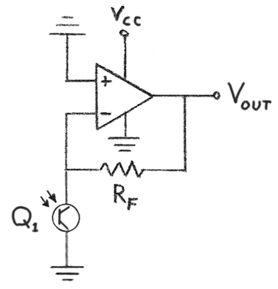
Transimpedance Amplifier
Iin,max | 2 | (max µA of signal) |  | Op-Amp Characteristics
Rf | 2000 | K |  | V+ | 10 | V (positive rail power)
 |  |  |  | V- | 0 | V (negative rail power)
 |  |  |  | Headroom | 0 | V (=0V for rail-to-rail)

 |  |  | Headroom: | Single Test Value:
t | Iin(+) µA | Vout | Vout | Iin | 2 | µA
0 | 1 | 2 | 2 | Vout: | 4 | V
0.1 | 1.0998334166 | 2.1996668333 | 2.1996668333
0.2 | 1.1986693308 | 2.3973386616 | 2.3973386616
1.2 | 1.932039086 | 3.8640781719 | 3.8640781719
Transimpedance Amplifier
$$V_{out}=R_{F}I_{in}$$
2.2 | 1.8084964038 | 3.6169928076 | 3.6169928076
3.2 | 0.94162585657 | 1.8832517131 | 1.8832517131
4.2 | 0.12842422759 | 0.25684845517 | 0.25684845517
5.2 | 0.11654534428 | 0.23309068856 | 0.23309068856
6.2 | 0.91691059718 | 1.8338211944 | 1.8338211944
7.2 | 1.7936678638 | 3.5873357277 | 3.5873357277
8.2 | 1.9407305567 | 3.8814611134 | 3.8814611134
9.2 | 1.2228899141 | 2.4457798282 | 2.4457798282
10.2 | 0.30012531241 | 0.60025062481 | 0.60025062481
11.2 | 0.020822270849 | 0.041644541697 | 0.041644541697
12.2 | 0.64177071776 | 1.2835414355 | 1.2835414355
13.2 | 1.5920735147 | 3.1841470294 | 3.1841470294
14.2 | 1.9980266527 | 3.9960533054 | 3.9960533054
15.2 | 1.4863986889 | 2.9727973777 | 2.9727973777
16.2 | 0.5275780136 | 1.0551560272 | 1.0551560272
17.2 | 0.0030999339584 | 0.0061998679168 | 0.0061998679168 | Single Test Values: Amp Configuration Summary:
18.2 | 0.39516717759 | 0.79033435519 | 0.79033435519 | V+: | 10 | V | V+: +10 V
19.2 | 1.3433149288 | 2.6866298576 | 2.6866298576 | V-: | 0 | V | V-: 0 V
20.2 | 1.9758205178 | 3.9516410355 | 3.9516410355 | Iin: | 2 | µA | Iin: +2 µA
21.2 | 1.7111612229 | 3.4223224458 | 3.4223224458 | RF: | 2000 | K | RF: 2000 K
22.2 | 0.79266357939 | 1.5853271588 | 1.5853271588
23.2 | 0.064790084805 | 0.12958016961 | 0.12958016961

Transimpedance + Bias
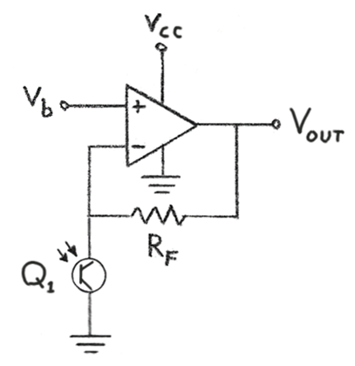
Transimpedance Amplifier + Bias
Iin,max | 10 | (max µA of signal) |  | Op-Amp Characteristics
Rf | 75 | K |  | V+ | 9 | V (positive rail power)
Vb | 4.5 | V |  | V- | 0 | V (negative rail power)
 |  |  |  | Headroom | 1.3 | V (=0V for rail-to-rail)

 |  |  | Headroom: | Single Test Value:
t | Iin(+) µA | Vout | Vout | Iin | 5 | µA
0 | 5 | 4.875 | 4.875 | Vout: | 4.875 | V
0.1 | 5.4991670832 | 4.9124375312 | 4.9124375312
0.2 | 5.993346654 | 4.949500999 | 4.949500999
Transimpedance Amplifier + Bias
$$V_{out}=R_{F}I_{in}{+V}_{b}$$
1.2 | 9.6601954298 | 5.2245146572 | 5.2245146572
2.2 | 9.0424820191 | 5.1781861514 | 5.1781861514
3.2 | 4.7081292829 | 4.8531096962 | 4.8531096962
4.2 | 0.64212113793 | 4.5481590853 | 4.5481590853
5.2 | 0.5827267214 | 4.5437045041 | 4.5437045041
6.2 | 4.5845529859 | 4.8438414739 | 4.8438414739
7.2 | 8.9683393192 | 5.1726254489 | 5.1726254489
8.2 | 9.7036527834 | 5.2277739588 | 5.2277739588
9.2 | 6.1144495705 | 4.9585837178 | 4.9585837178
10.2 | 1.500626562 | 4.6125469922 | 4.6125469922
11.2 | 0.10411135424 | 4.5078083516 | 4.5078083516
12.2 | 3.2088535888 | 4.7406640192 | 4.7406640192
13.2 | 7.9603675735 | 5.097027568 | 5.097027568
14.2 | 9.9901332636 | 5.2492599948 | 5.2492599948
15.2 | 7.4319934443 | 5.0573995083 | 5.0573995083
16.2 | 2.637890068 | 4.6978417551 | 4.6978417551
17.2 | 0.015499669792 | 4.5011624752 | 4.5011624752 | Single Test Values: Amp Configuration Summary:
18.2 | 1.975835888 | 4.6481876916 | 4.6481876916 | V+: | 9 | V | V+: +9 V
19.2 | 6.7165746441 | 5.0037430983 | 5.0037430983 | V-: | 0 | V | V-: 0 V
20.2 | 9.8791025888 | 5.2409326942 | 5.2409326942 | Iin: | 5 | µA | Iin: +5 µA
21.2 | 8.5558061145 | 5.1416854586 | 5.1416854586 | RF: | 75 | K | RF: 75 K
22.2 | 3.963317897 | 4.7972488423 | 4.7972488423
23.2 | 0.32395042403 | 4.5242962818 | 4.5242962818

Op-Amps
Op-Amp | Description | # Op-Amps | Bandwidth (Unity Gain) | Supply Range | Gain | Isc (Short-Circuit Current) | Slew Rate | Features/Applications | Output Swing (Vcc=5V) | Pinout
LM741 | General-purpose operational amplifiers with nearly foolproof features: overload protection on input & output, no latch-up when common-mode range is exceeted, and freedom from oscillations | 1 | 1.5 MHz | ±15V | 100 dB | 25 mA | 0.5 V/µs | The LM74 devices are general-purpose operational amplifiers . It is intended for a wide range of analog applications. The high gain and wide range of operating voltage provide superior performance in integrator, summing amplifier, and general feedback applications. The LM741 can operate with a single or dual power supply voltage. | When Vs=±20V: RL>=10K: min ±16V RL>=2K: min ±15V | 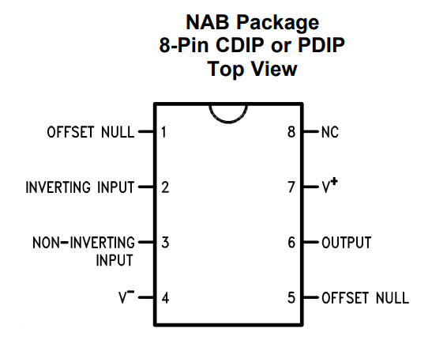
LM6132 | LM6132/LM6134 Dual and Quad Low Power 10 MHz Rail-to-Rail I/O Operational Amplifiers | 2 | 10 MHz @ 20kHz | +2.7 to 24V V+ to V-: max 35V | 100 dB (Rl=10K) | 4 mA | 14 V/µs | 5V supply, rail-to-rail | 0.007-4.992V (100K load) | 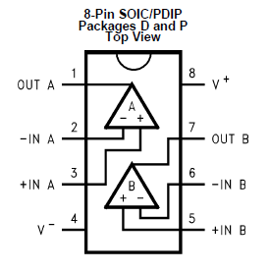
LM358P | LMx58-N Low-Power, Dual-Operational Amplifiers | 2 | 1 MHz unity gain | 3-32V or dual supply ±1.5 - ±16V | 100 dB | 40 mA | Not listed | Direct sensing near GND, Vout goes to GND, low battery drain. Transducer amplifiers, dc gain blocks and all the conventional op-amp circuits (good for single supply) | 5mv - ~3.3V
LM324 | LMx24-N, LM2902-N Low-Power, Quad-Operational Amplifiers | 4 | 1 MHz | Single: (3-32V), or Dual (±1.5 to ±16V) | 100 dB | 40 mA | Not listed | No need for dual supplies. Can swing to ground on single supply. Transducer amplifiers, DC gain blocks, conventional op amp circuits. | 0V to Vcc+ - 1.5V | 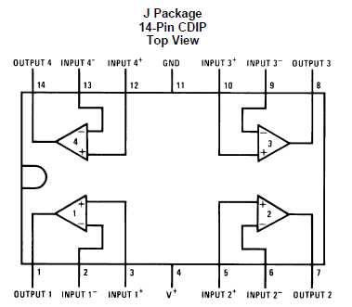
LM386N-1 | Low voltage audio power amplifier | 1 | 300 kHz | 5-12V (up to 15V) | Fixed, 20-200X (26dB - 46dB) | 50-70 mA max (500-700mW power) | Not listed | Designed for use in low voltage consumer applications. The gain is internally set to 20 to keep external part count low, but the addition of an external resistor and capacitor between pins 1 and 8 increases the gain to any value from 20 to 200. A larger amp will be needed for a larger speaker - this amp is ok for tiny speakers. | 0-Vcc | 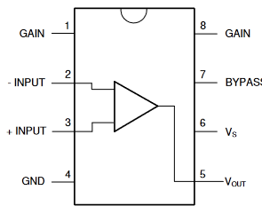
TL071 | TL07xx Low-Noise JFET-Input Operational Amplifiers | 1 | 3 MHz | (-5-15V) to (+5 to +15V) | 100 dB | ±26 mA | 13 V/µs | Solar inverters, AC inverter, VF drives, pro audio mixers, DLP front projection system, oscilloscopes | 1.2 - 3.3V when V-=GND, V+=5V | 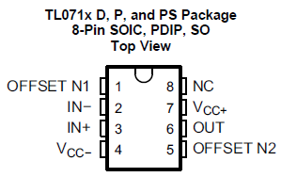
TL072 | TL07xx Low-Noise JFET-Input Operational Amplifiers | 2 | 3 MHz | (-5-15V) to (+5 to +15V) | 100 dB | ±26 mA | 13 V/µs | Solar inverters, AC inverter, VF drives, pro audio mixers, DLP front projection system, oscilloscopes | 1.2 - 3.3V when V-=GND, V+=5V
TL074 | TL07xx Low-Noise JFET-Input Operational Amplifiers | 4 | 3 MHz | (-5-15V) to (+5 to +15V) | 100 dB | ±26 mA | 13 V/µs | Solar inverters, AC inverter, VF drives, pro audio mixers, DLP front projection system, oscilloscopes | 1.2 - 3.3V when V-=GND, V+=5V | 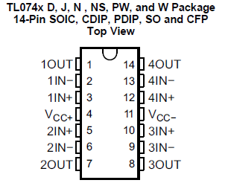
AD623AN | Single and Dual-Supply, Rail-to-Rail, Low Cost Instrumentation Amplifier | 1 | 800 kHz | Max 12V (±6V) | 1-1000X | <10 mA | 0.3 V/µs | Rail-to-rail output swing. Low power medical instrumentation, transducer interfaces, thermocouple amplifiers, industrial process controls, difference amplifiers, low power data acquisition. Gain settable with one resistor (table in datasheet) | 0.01 V to Vs-0.15V (RL = 100 kOhm) | 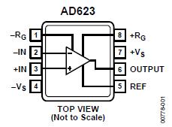
TLV2772 | 2.7V High-Slew-Rate Rail-to-Rail Output Operational Amplifier with Shutdown | 2 | 5.1 MHz | 2.5 to 5.5V single supply. |  | 40 mA | 10.5 V/µs | Rail-to-rail output, high bandwidth, 1 mA supply currrrent per channel. Good for driving analog input or reference of analog to digital converters. | Rail-to-Rail
TLV2774 | 2.7V High-Slew-Rate Rail-to-Rail Output Operational Amplifier with Shutdown | 4 | 5.1 MHz | 2.5 to 5.5V single supply. |  | 40 mA | 10.5 V/µs | Rail-to-rail output, high bandwidth, 1 mA supply currrrent per channel. Good for driving analog input or reference of analog to digital converters. High slew rate and bandwidth. | Rail-to-Rail | 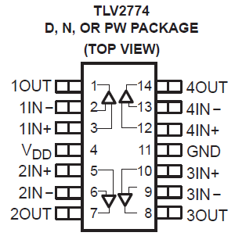
TDA2030A | Monolithic IC in Pentawatt package intended for use as low frequency class AB amplifier. With VS max = 44V it is particularly suited for more reliable applications without regulated supply and for 35W driver circuits using low-cost complementary pairs. | 1 | 100 kHz | ±22V | 20 dB | 3.5A | 8 V/µs | Typical amplifier with split power supply, 3-way 60W Active Loudspeaker Sytem (Vs=36V), high power active box for musical instrument, instrument amplifier, bridge amplifier with split power supply | Not listed (can be measured)

